Sheet
Molecule Image | ID | CAS | Cluster ID
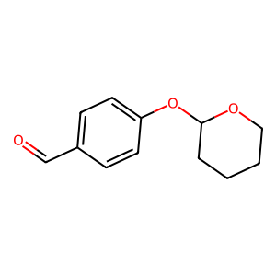 | bide-uc-7060 | 74189-56-3 | al_2
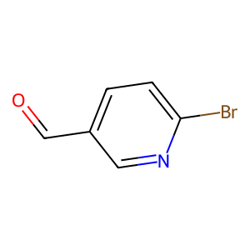 | bide-uc-7039 | 149806-06-4 | al_6
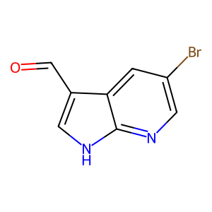 | bide-uc-7102 | 757978-33-9 | al_7
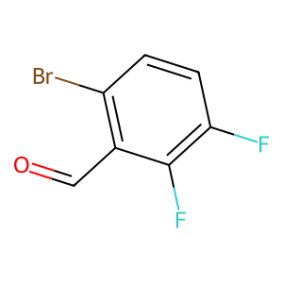 | bide-uc-6833 | 360576-04-1 | al_8
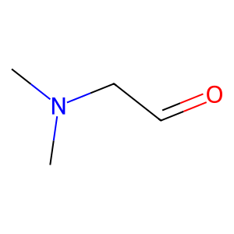 | bide-uc-7980 | 1413945-87-5 | al_11
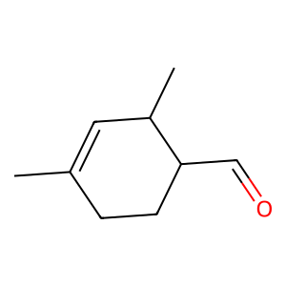 | bide-uc-6608 | 68039-49-6 | al_12
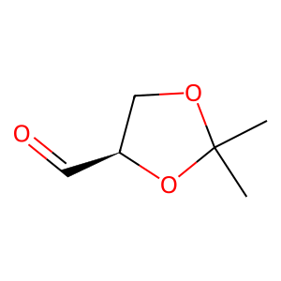 | bide-uc-7040 | 15186-48-8 | al_14
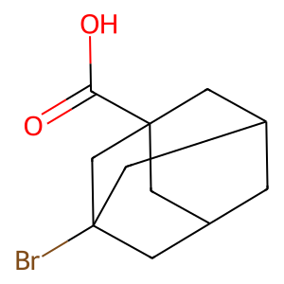 | bide-uc-8225 | 21816-08-0 | ac_0
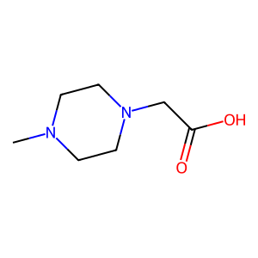 | bide-uc-10306 | 54699-92-2 | ac_1
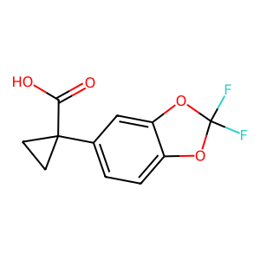 | bide-uc-9379 | 862574-88-7 | ac_2
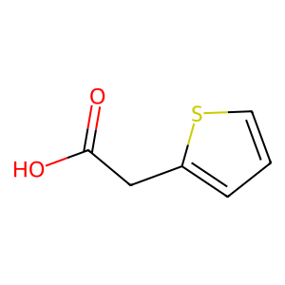 | bide-uc-8390 | 1918-77-0 | ac_3
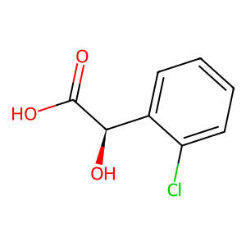 | bide-uc-10082 | 52950-18-2 | ac_5
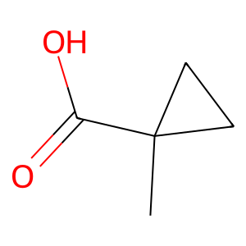 | bide-uc-11289 | 6914-76-7 | ac_10
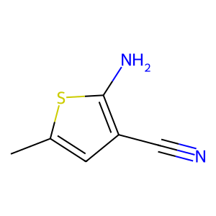 | bide-dfc-489 | 138564-58-6 | dfb_am_9
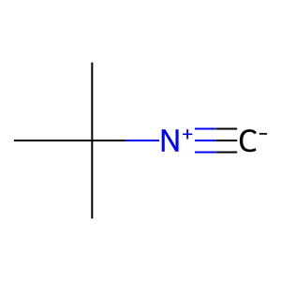 | bide-uc-11342 | 7188-38-7 | nc_4
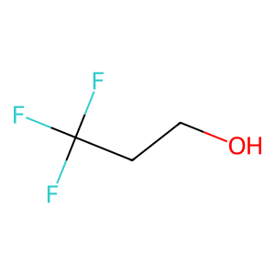 | TFE | 75-89-8 | solvent
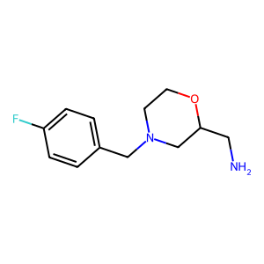 | bide-uc-4160 | 112914-13-3 | am_2
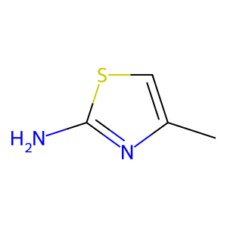 | bide-uc-1229 | 6142-15-0 | am_3
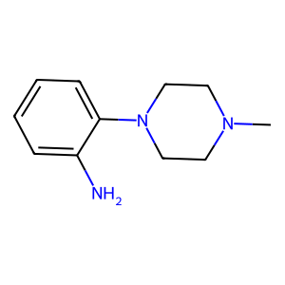 | bide-uc-3144 | 180605-36-1 | am_4
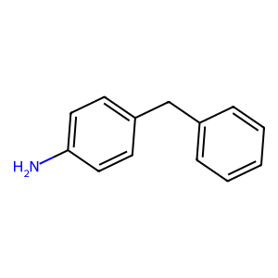 | bide-uc-4190 | 1135-12-2 | am_5
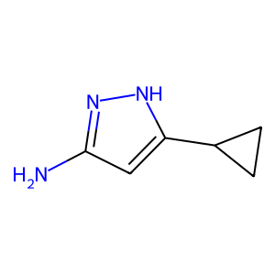 | bide-uc-3626 | 175137-46-9 | am_7
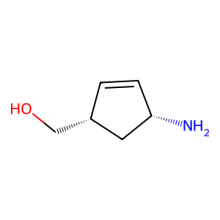 | bide-uc-4430 | 168960-19-8 | am_13
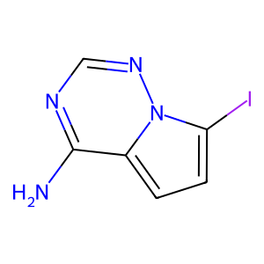 | bide-uc-1919 | 1770840-43-1 | am_14
 | bide-uc-8225 | 21816-08-0 | ac_0
 | bide-uc-10306 | 54699-92-2 | ac_1
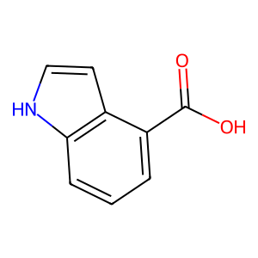 | bide-uc-8243 | 2124-55-2 | ac_6
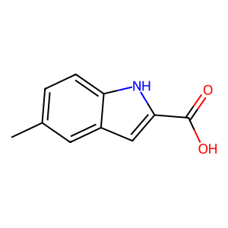 | bide-uc-10027 | 10241-97-1 | ac_8
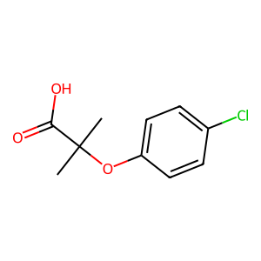 | bide-uc-10886 | 882-09-7 | ac_9
 | bide-uc-11289 | 6914-76-7 | ac_10
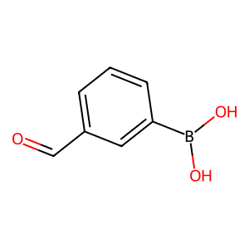 | bide-dfc-52 | 87199-16-4 | dfb_al_8
 | bide-uc-11342 | 7188-38-7 | nc_4
 | TFE | 75-89-8 | solvent

