Sheet1
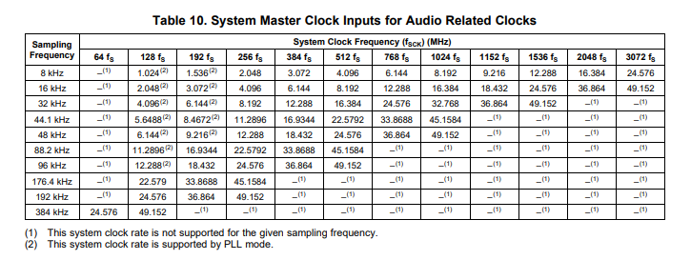

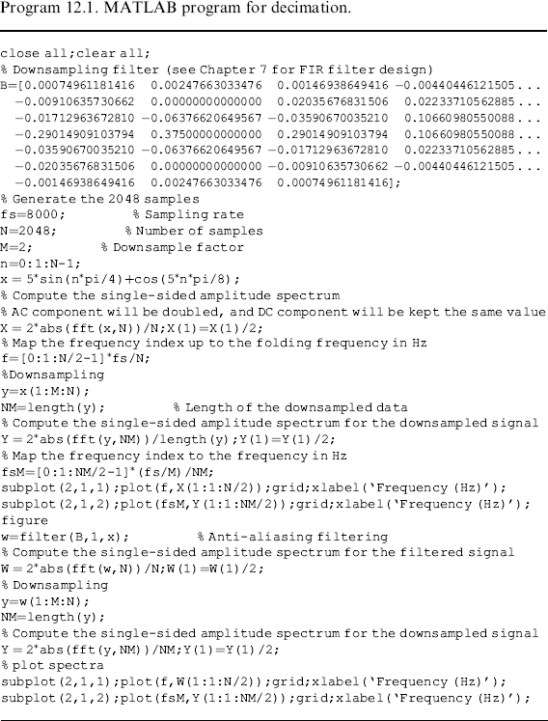
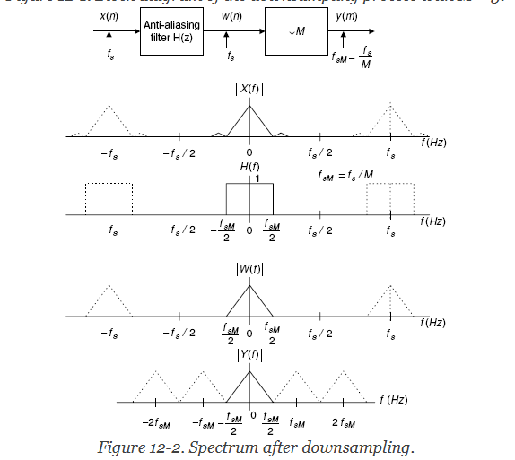

 |  | 8 | 12 | 16 | 24 | 32 | 36 | 40 | 48 | 56 | 64
16000 |  | 128000 | 192000 | 256000 | 384000 | 512000 | 576000 | 640000 | 768000 | 896000 | 1024000
32000 |  | 256000 | 384000 | 512000 | 768000 | 1024000 | 1152000 | 1280000 | 1536000 | 1792000 | 2048000
44100 |  | 352800 | 529200 | 705600 | 1058400 | 1411200 | 1587600 | 1764000 | 2116800 | 2469600 | 2822400
48000 |  | 384000 | 576000 | 768000 | 1152000 | 1536000 | 1728000 | 1920000 | 2304000 | 2688000 | 3072000 | This is nice because it's close enough to 1MHz SID core clock |  |  |  | This is nice because can just add another bit to EG to keep the timings the same.
96000 |  | 768000 | 1152000 | 1536000 | 2304000 | 3072000 | 3456000 | 3840000 | 4608000 | 5376000 | 6144000 | Divide by 32 is easy! |  |  |  | Divide by 64 is easy!
88200 |  | 705600 | 1058400 | 1411200 | 2116800 | 2822400 | 3175200 | 3528000 | 4233600 | 4939200 | 5644800 | 32K is fine for audio quality given 4KHz max fundamental. |  |  |  | 32K is fine for audio quality given 8KHz max fundamental.

 | bits |  |  |  |  | fs | 1024000 | 6000
 | 12 | waveform generators
 | 8 | envelope generator |  |  |  | M | 32 | 3
 | 2 | summing |  |  |  | new fs | 32000
 | 4 | volume |  |  |  | new fold freq | 16000 | 1000
 | 26 | total width
 |  | so use 32b audio format? |  |  |  | dF | 0.01171875
 |  |  |  |  |  | N | 281.6

 |  |  | Fout = (Fn * Fclk/(4096*256*16)) Hz | 16777216

48000 |  |  | closest to |  |  |  | 1 |  |  |  | 2 |  |  |  | 4 |  |  |  | 8 |  |  |  | 24
PLL freq | SCLK | SID core | 100 MHz | low tone | high tone | dec. factor | SR out #0 | passband | stopband | downsample | post-dec | passband | stopband | downsample | post-dec | passband | stopband | downsample | post-dec | passband | stopband | downsample | post-dec
 | 2 | 16 | 2.5 | 1 | 65535 |  |  | 144000 | 288000 | 2 |  | 72000 | 144000 | 2 |  | 36000 | 72000 | 2 |  | 18000 | 24000 | 3
36864000 | 18432000 | 1152000 | 92160000 | 0.0686645508 | 4499.9313354492 | 24.0 | 1152000 |  | 13 | 288000 | 576000 |  | 13 | 144000 | 288000 |  | 13 | 72000 | 144000 |  | 39 | 24000 | 48000 |  | 78
 | 384fs

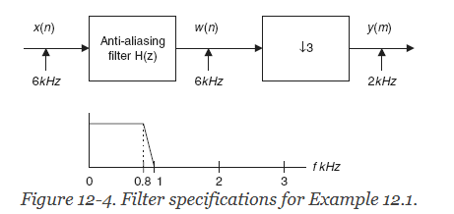
 | 2 | 12 | 4 | 1 | 65535 |  | 100K
24576000 | 12288000 | 1024000 | 98304000 | 0.0610351562 | 3999.9389648438 | 21.3 | 15
 | 256fs

 | 4 | 8 | 2.5 | 1 | 65535 |  | 100K
36864000 | 9216000 | 1152000 | 92160000 | 0.0686645508 | 4499.9313354492 | 24.0 | 15
 | 192fs

 | 4 | 6 | 4 | 1 | 65535 |  | 100K
24576000 | 6144000 | 1024000 | 98304000 | 0.0610351562 | 3999.9389648438 | 21.3 | 15
 | 128fs

 |  |  |  |  |  |  |  |  |  |  |  |  |  |  |  |  |  |  |  |  |  |  |  |  |  |  |  |  | so probably need multistage decimation approach
44100 |  |  | closest to |  |  |  | 1 |  |  |  | 2 |  |  |  | 4 |  |  |  | 8 |  |  |  | 24
PLL freq | SCLK | SID core | 100 MHz | low tone | high tone | dec. factor | SR out #0 | passband | stopband | downsample | post-dec | passband | stopband | downsample | post-dec | passband | stopband | downsample | post-dec | passband | stopband | downsample | post-dec
 | 2 | 16 | 3 | 1 | 65535 |  |  | 132300 | 264600 | 2 |  | 66150 | 132300 | 2 |  | 33075 | 66150 | 2 |  | 16537.5 | 22050 | 3
33868800 | 16934400 | 1058400 | 101606400 | 0.063085556 | 4134.311914444 | 24.0 | 1058400 |  | 13 | 264600 | 529200 |  | 13 | 132300 | 264600 |  | 13 | 66150 | 132300 |  | 39 | 22050 | 44100 |  | 78
 | 384fs

 | 2 | 10 | 5 | 1 | 65535
22579200 | 11289600 | 1128960 | 112896000 | 0.0672912598 | 4409.9327087402 | 25.6
 | 256fs

 | 4 | 8 | 3 | 1 | 65535
33868800 | 8467200 | 1058400 | 101606400 | 0.063085556 | 4134.311914444 | 24.0
 | 192fs

 | 4 | 5 | 5 | 1 | 65535
22579200 | 5644800 | 1128960 | 112896000 | 0.0672912598 | 4409.9327087402 | 25.6
 | 128fs

32000 |  |  | closest to |  |  |  | 1 |  |  |  | 2 |  |  |  | 4 |  |  |  | 8 |  |  |  | 16 |  |  |  | 32
PLL freq | SCLK | SID core | 100 MHz | low tone | high tone | dec. factor | SR out #0 | passband | stopband | downsample | post-dec | passband | stopband | downsample | post-dec | passband | stopband | downsample | post-dec | passband | stopband | downsample | post-dec | passband | stopband | downsample | post-dec
 | 2 | 12 | 4 | 1 | 65535 |  |  | 128000 | 256000 | 2 |  | 64000 | 128000 | 2 |  | 32000 | 64000 | 2 |  | 16000 | 32000 | 2 |  | 12000 | 16000 | 2
24576000 | 12288000 | 1024000 | 98304000 | 0.0610351562 | 3999.9389648438 | 32.0 | 1024000 |  | 13 | 256000 | 512000 |  | 13 | 128000 | 256000 |  | 13 | 64000 | 128000 |  | 13 | 32000 | 64000 |  | 27 | 16000 | 32000 | 79
 | 384fs

 | 4 | 8 | 3 | 1 | 65535
32768000 | 8192000 | 1024000 | 98304000 | 0.0610351562 | 3999.9389648438 | 32.0
 | 256fs

 | 4 | 6 | 4 | 1 | 65535
24576000 | 6144000 | 1024000 | 98304000 | 0.0610351562 | 3999.9389648438 | 32.0
 | 192fs

 | 8 | 4 | 3 | 1 | 65535
32768000 | 4096000 | 1024000 | 98304000 | 0.0610351562 | 3999.9389648438 | 32.0
 | 128fs

