Test 1
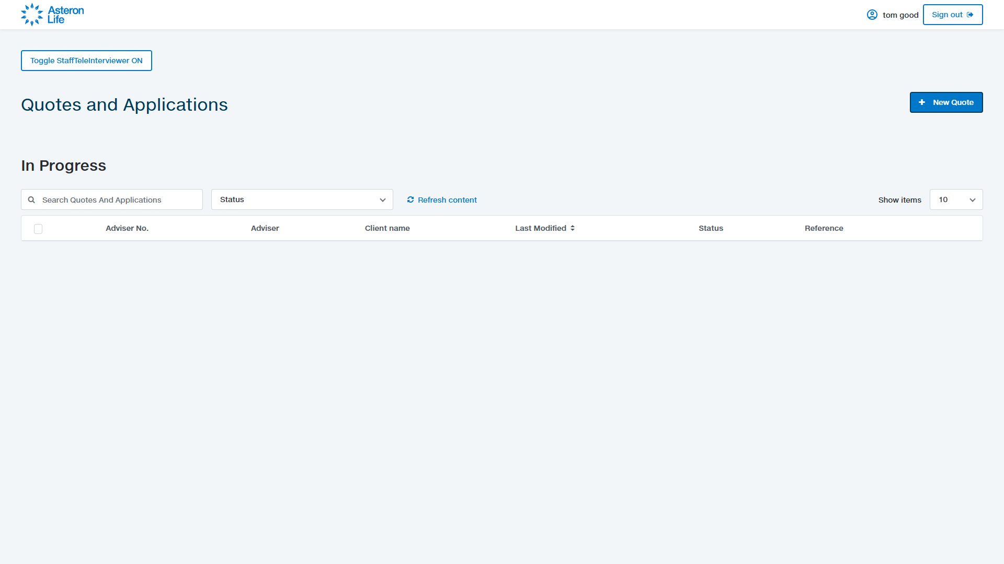
Test 1: Landing page: Online Quoting Tool (ACB-2239) › AC02/AC03: from the portal I can navigate to the New Business Quoting Tool UI
Result: Pass
AC02: When I am logged into the adviser portal, Then I should be able to navigate to the New Business Quoting Tool. AC03: When I have logged onto the portal, Then I can view and click the New Business quoting tool And I am directed to the New Business Quoting tool UI. Steps to reproduce: 1. (Logged in) Navigate to /QuoteAndApply/. 2. Confirm the New Business Quoting Tool UI is shown (Quotes and Applications heading + New Quote action). Expected: the quoting tool landing UI is shown with a New Quote action.

Proof: screenshot

Test 2

Test 2: Landing page: Online Quoting Tool (ACB-2239) › AC01: the quoting tool is accessed via the Adviser Portal login (login URL is served)
Result: Pass
AC01: Given I have the saved URL to the New Business Quoting tool, When I click the URL, Then I am directed to the Adviser Portal login screen (the quoting tool is accessed via the adviser portal only). Steps to reproduce: 1. Navigate to the Adviser Portal login URL (<BASE_URL>/CentralPortalsLogin/NewLoginRLANZ). 2. Confirm the login screen is served. Expected: the portal login screen is reachable (the tool is gated behind portal login).

Proof: screenshot

