Sheet1
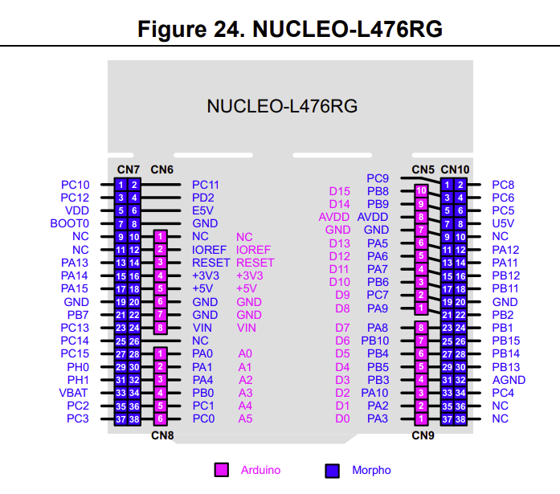
 | C10 | C11 |  | SERVO PWM T1C1 | C9 | C8 | FW PWM T3C3
 | C12 | D2 |  | FW PIN 2 | B8 | C6 | PITCH ENC A T8C1
 | VDD | E5V |  |  | B9 | C5 | FW PIN 1
 | BOOT0 | GND | Go Button |  | AVDD | U5V
 | NC | NC |  |  | GND | NC
 | NC | IOREF |  |  | A5 | A12
 | A13 | RESET |  |  | A6 | A11
 | A14 | +3.3 | I2C2 +3V3, L298 +3V3 |  | A7 | B12
"Go Button" GPIO | A15 | +5 | Manual Aim | YAW ENC A T4C1 | B6 | B11 | I2C2 SDA
"Go Button" GND | GND | GND | Manual Aim | PITCH ENC B T8C2 | C7 | GND
YAW ENC B T4C1 | B7 | GND | GND IN | BUZZER PWM T1C2 | A9 | B2
 | C13 | VIN | POWER IN | LED PWM T1C2 | A8 | B1
 | C14 | NC |  | I2C2 SCL | B10 | B15
 | C15 | A0 | PITCH PWM T4C1 |  | B4 | B14
 | H0 | A1 | PITCH P1 | YAW P1 | B5 | B13
 | H1 | A4 |  | YAW PWM T2C2 | B3 | AGND
 | VBAT | B0 |  | YAW P2 | A10 | C4
 | C2 | C1 | PITCH P2 |  | A2 | NC
 | C3 | C0 |  |  | A3 | NC

