punto 3
Aproxime el siguiente grupo de puntos a una función lineal, un modelo de ecuación de potencias y a un polinomio de grado 2. Cree una gráfica para cada una de las tres funciones obtenidas e indique cuál de las tres es la mejor aproximación.

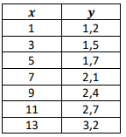

 | regresion polinomial | regresion por modelo de potencias | regresion de funcion lineal

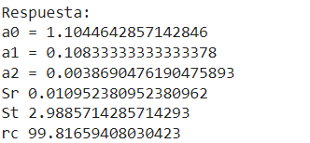
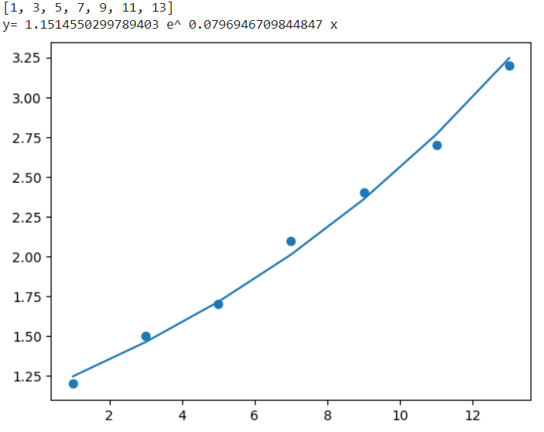
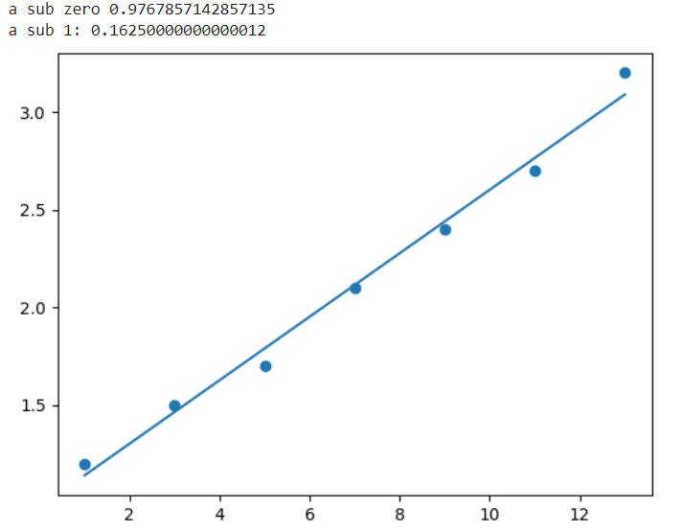

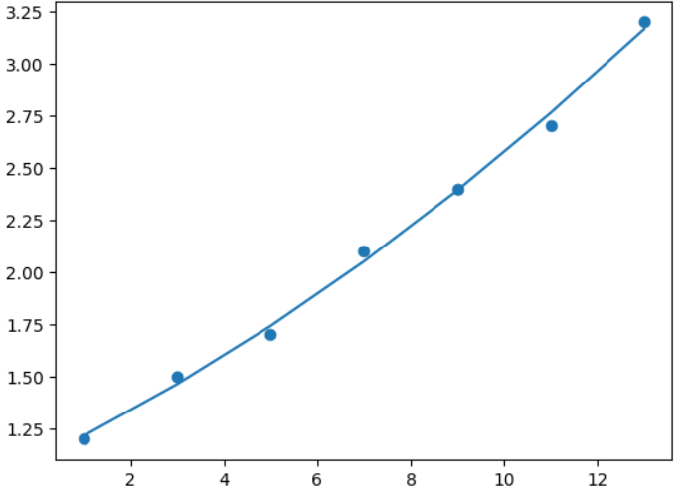

 | import copy | # Create some fake data for two variables: x and y | import matplotlib.pyplot as plt
 | from re import S | X = [1, 3, 5, 7, 9, 11, 13]
 | import matplotlib.pyplot as plt | Y = [1.2, 1.5, 1.7, 2.1, 2.4, 2.7, 3.2] | # (x) y (y)
 | import numpy as np | n = len(X) | X = [1, 3, 5, 7, 9, 11, 13]
 | import math | # Plot the data to see the relationship between x and y | Y = [1.2, 1.5, 1.7, 2.1, 2.4, 2.7, 3.2]
 | from sklearn.linear_model import LinearRegression | plt.scatter(X, Y) | #X = [1, 2, 3, 4, 5, 6, 7]
 | def imprimirSistema(a, b, etiqueta): | plt.show() | #Y = [0.5, 2.5, 2, 4, 3.5, 6, 5.5]
 | n = len(b)
 | print(etiqueta) |  | # calcualdora de promedio
 | for i in range(n): |  | X_mean = sum(X) / len(X)
 | for j in range(n): | suma_x = suma_y = suma_xy = suma_x2 = 0 | Y_mean = sum(Y) / len(Y)
 | print(a[i][j], end = " ") | for r in range(n):
 | print("|", b[i]) | suma_x = suma_x + X[r] | # calcula a sub 1 y 0
 | print() | suma_y = suma_y + np.log(Y[r]) | suma_x = suma_y = suma_xy = suma_x2 = 0
 |  | suma_xy = suma_xy + X[r] * np.log(Y[r]) | for r in range(len(X)):
 | def gaussJordan(ao, bo): | suma_x2 = suma_x2 + X[r]**2 | suma_x = suma_x + X[r]
 | a = copy.deepcopy(ao) |  | suma_y = suma_y + Y[r]
 | b = copy.copy(bo) | X_mean = suma_x / len(X) | suma_xy = suma_xy + X[r] * Y[r]
 | temp = [] | Y_mean = suma_y / len(Y) | suma_x2 = suma_x2 + X[r]**2
 | zer = 0
 | n = len(b) | a1 = (len(X)*suma_xy-suma_x*suma_y)/(len(X)*suma_x2-suma_x**2) | print(suma_x, suma_y, suma_xy, suma_x2)
 |  | a0 = Y_mean-(a1*X_mean)
 | for i in range(n): |  | a1 = (len(X)*suma_xy-suma_x*suma_y)/(len(X)*suma_x2-suma_x**2)
 | if a[i][i] == 0: | alpha = math.e**(a0) | a0 = Y_mean-(a1*X_mean)
 | for k in range(i+1,n): | beta = a1 | # imprime
 | if a[k][i] != 0: | print(X) | print("a sub zero", a0)
 | a[i], a[k] = a[k] , a[i] | print ("y=",alpha, "e^", beta,"x") | print("a sub 1:", a1)
 | b[i], b[k] = b[k] , b[i] | # Plot the exponential function on top of the original data
 | break | plt.scatter(X, Y) | # graficar??
 | pivote = a[i][i] | r=[] | plt.scatter(X, Y)
 | #Dividir por el pivote | for i in range(len(X)): | plt.plot([min(X), max(X)], [a0 + a1*min(X), a0 + a1*max(X)])
 | for j in range(n): | r.append(alpha*math.e**(beta*X[i])) | plt.show()
 | a[i][j] /= pivote
 | b[i] /= pivote | plt.plot(X,r)
 |  | plt.show()

 | #Reducción
 | for k in range(n):
 | if i != k:
 | #Se reduce
 | valorAux = -a[k][i]
 | for j in range(n):
 | a[k][j] += a[i][j] * valorAux
 | b[k] += b[i] * valorAux

 | return b

 | X = [1, 3, 5, 7, 9, 11, 13]
 | Y = [1.2, 1.5, 1.7, 2.1, 2.4, 2.7, 3.2]
 | #X = [0, 1, 2, 3, 4, 5]
 | #Y = [0.5, 0.5, 1.3, 2.4, 3.6, 6.5]
 | sum_x = sum_y= sum_x2 = sum_x3 =sum_x4= sum_xy = sum_x2y =0
 | for r in range(len(X)):
 | sum_x = sum_x + X[r]
 | sum_y = sum_y + Y[r]
 | sum_x2 = sum_x2 + X[r]**2
 | sum_x3 = sum_x3 + X[r]**3
 | sum_x4 = sum_x4 + X[r]**4
 | sum_xy = sum_xy + (X[r]*Y[r])
 | sum_x2y = sum_x2y + ((X[r]**2)*Y[r])
 | a = [[len(X), sum_x, sum_x2], [sum_x, sum_x2, sum_x3], [sum_x2, sum_x3, sum_x4]]
 | b = [sum_y, sum_xy, sum_x2y]
 | prom_y = sum_y / len(Y)
 | c = gaussJordan(a, b)
 | print("Respuesta:")
 | for i in range(len(c)):
 | print("a" + str(i), "=", c[i])
 | a0 = c[0]
 | a1 = c[1]
 | a2 = c[2]
 | Sr = St= 0
 | for r in range(len(X)):
 | Sr =Sr + (Y[r] - a0 - a1*X[r] -(a2*X[r]**2))**2
 | St =St + (Y[r]-prom_y)**2
 | print("Sr",Sr)
 | print("St",St)

 | rc= (((St-Sr)/St)**0.5)*100
 | print( "rc" , rc)
 | i = []
 | for r in range(len(X)):
 | i.append(a0 +(a1*X[r])+(a2*(X[r])**2))

 | plt.scatter(X, Y)
 | plt.plot(X,i)
 | plt.show

punto 4
}

 | 4. (30%) Halle los polinomios de interpolación de Lagrange de grado 1, 2, 3 y 4 que sirvan para estimar el valor de 𝑓(3,2), incluya el valor estimado en cada caso. Incluya las 4 gráficas, una por cada polinomio.

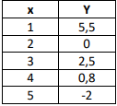
 |  |  |  |  | x-x1 | x0-x1 | x-x0 | x1-x0 |  |  |  | grado1
 |  |  | x | f(x) | 0.2 | -1 | 1.2 | 1 |  |  |  | 3
 |  |  | 1 | 5.5
 |  |  | 2 | 0
 |  | 3.2 | 3 | 2.5 | x-x2 | x0-x2 | x1-x2 | x2-x1 | x2-x0
 |  |  | 4 | 0.8 | -0.8 | -2 | -1 | 1 | 2
 |  |  | 5 | -2
 |  |  |  |  |  |  |  |  |  |  |  | grado2
 |  |  |  |  |  | 0 | 2.4 | 0.096 |  |  |  | 2.496

 |  |  |  |  | x-x3 | x0-x3 | x1-x3 | x3-x2 | x3-x0 | x2-x3 | x3-x1
 |  |  |  |  | -1.8 | -3 | -2 | 1 | 3 | -1 | 2
 |  |  |  |  |  |  |  |  |  |  |  | grado3
 |  |  |  |  |  | 0 | 2.16 | 0.1728 | 0.064 |  |  | 2.3968

 |  |  |  |  |  |  |  |  |  |  |  | grado4

