Lapita BUG reports
Bug report ID | CUSFRM-01
Bug report title | [Contact Us form] - Message successfully submitted when using invalid user email address
Bug description | Message is successfully submitted by Contact Us form and "Thanks for contacting us" success message displayed when the form Email field is completed with invalid user email address.
Test Data to reproduce bug | Name: Thomas ; Email invalid: thisis@my.email ; Message: Hello Vanuatu !
Preconditions to reproduce bug | 1 Open https://lapitavanuatu.com/ 2 Click Contact Us menu item
Steps to reproduce bug | 1 Click "Name" field 2 Type name 3 Click "Email" field 4 Type invalid email 5 Click "Message" field 6 Type message 7 Click captcha field 8 Resolve captcha task 9 Click "Submit" button
Actual results with bug | On click Contact Us form Submit button the "Thanks for contacting us" success message displayed and the message successfully sent when the form Email field is completed with invalid user email address.
Expected results without bug | On click Contact Us form Submit button the "Invalid email address" error message should be displayed and Email field borders should be red colored when the form Email field is completed with invalid user email address.
Visual proof of bug | 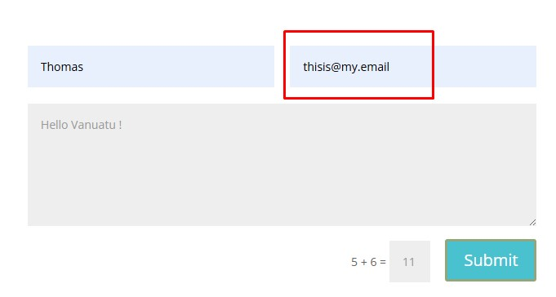 
Bug severity/priority | Severity : MAJOR Priority : IMMEDIATE
Environment to reproduce bug | Devices : Laptop LENOVO G510 Operation system : Windows 10 Pro Browser : Chrome 129.0.6668.60 ; Website version : Lapita Café Limited 2019 ; Url https://lapitavanuatu.com

Bug report ID | CUSFRM-02
Bug report title | [Contact Us form] - Message successfully submitted when using user email address with no top level domain
Bug description | Message successfully submitted by Contact Us form and "Thanks for contacting us" success message displayed when the form Email field is completed with format of user email address with no ".com" top level domain
Test Data to reproduce bug | Name: Thomas ; Email: simo_tamas2007@yahoo ; Message: Hello Vanuatu !
Preconditions to reproduce bug | 1 Open https://lapitavanuatu.com/ 2 Click Contact Us menu item
Steps to reproduce bug | 1 Click "Name" field 2 Type name 3 Click "Email" field 4 Type email 5 Click "Message" field 6 Type message 7 Click captcha field 8 Resolve captcha task 9 Click "Submit" button
Actual results with bug | On click Contact Us form Submit button the "Thanks for contacting us" success message displayed and the message successfully sent when the form Email field is completed with format of user email address with no ".com" top level domain
Expected results without bug | On click Contact Us form Submit button the "Invalid email address" error message should be displayed and Email field borders should be red colored when the form Email field is completed with format of user email address with no ".com" top level domain
Visual proof of bug | 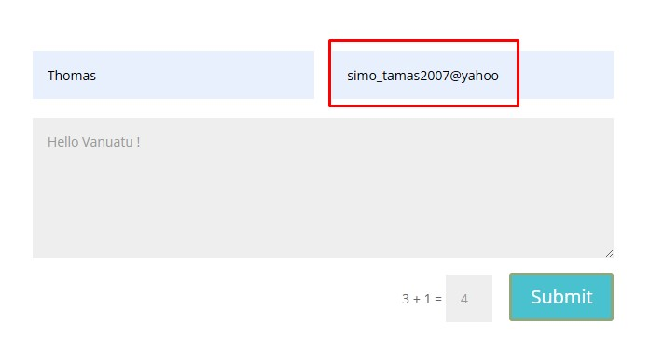 
Bug severity/priority | Severity : MAJOR Priority : IMMEDIATE
Environment to reproduce bug | Devices : Laptop LENOVO G510 Operation system : Windows 10 Pro Browser : Chrome 129.0.6668.60 ; Website version : Lapita Café Limited 2019 ; Url : https://lapitavanuatu.com

Bug report ID | HMPAGE-03
Bug report title | [Homepage Main Carousel] - Displayed product pictures have invisibile product titles present
Bug description | Displayed "Nangai nuts","Paw Paw and Ginger Jam","Mango Chutney","Coconut Cookies" and "Product Range" product pictures have coresponding "Lapita Nangai nuts","Lapita Paw Paw and Ginger Jam","Mango Chutney","Coconut Cookies" and "Product Range" titles displayed each having color rgba(0,0,0,0). Product titles present on displayed pictures are invisible.
Test Data to reproduce bug | None
Preconditions to reproduce bug | 1 Open https://lapitavanuatu.com/
Steps to reproduce bug | 1 Verify "Nangai nuts" product picture displayed 2 Verify "Lapita Nangai nuts" picture title visible 3 Click right arrow ">" navigator 4 Verify "Paw Paw and Ginger Jam" picture displayed 5 Verify "Lapita Paw Paw and Ginger Jam" picture title visible 6 Click right arrow ">" navigator 7 Verify "Mango Chutney" product picture displayed 8 Verify "Lapita Mango Chutney" picture title visible 9 Click right arrow ">" navigator 10 Verify "Coconut Cookies" product picture displayed 11 Verify "Lapita Coconut Cookies" picture title visible 12 Click roght arrow ">" navigator 13 Verify "Product Range" product picture displayed 14 Verify "Lapita Product Range" picture title visible
Actual results with bug | Displayed "Nangai nuts","Paw Paw and Ginger Jam","Mango Chutney","Coconut Cookies" and "Product Range" product pictures have coresponding "Lapita Nangai nuts","Lapita Paw Paw and Ginger Jam","Mango Chutney","Coconut Cookies" and "Product Range" titles displayed each having color rgba(0,0,0,0). Product titles present on displayed pictures are invisible.
Expected results without bug | Displayed "Nangai nuts","Paw Paw and Ginger Jam","Mango Chutney","Coconut Cookies" and "Product Range" product pictures with coresponding "Lapita Nangai nuts","Lapita Paw Paw and Ginger Jam","Mango Chutney","Coconut Cookies" and "Product Range" product titles should not have the rgba(0,0,0,0) invisible color. Product titles should be displayed on pictures in a clearly visible distinctive color.
Visual proof of bug
Bug severity/priority | Severity : MINOR Priority : LOW
Environment to reproduce bug | Devices : Laptop LENOVO G510 Operation system : Windows 10 Pro Browser : Chrome 129.0.6668.60 ; Website version : Lapita Café Limited 2019 ; Url : http://lapitavanuatu.com

Bug report ID | SCLMIC-04
Bug report title | [Social Media Icons] - Twitter/X social media platform old logo displayed
Bug description | Twitter/X social media platform logo is not actualized, the old logo white bird symbol is displayed on website
Test Data to reproduce bug | None
Preconditions to reproduce bug | 1 Open https://lapitavanuatu.com/ 2 Click Blog menu item 3 Click "Quick & Easy Manoic Wraps" recipe link
Steps to reproduce bug | 1 Verify Twitter/X platform logo is actualized
Actual results with bug | The displayed Twitter/X social media platform old logo white bird symbol is displayed on website
Expected results without bug | Should be displayed on website the actualized Twitter/X social media platform logo the abstract "X" symbol
Visual proof of bug | 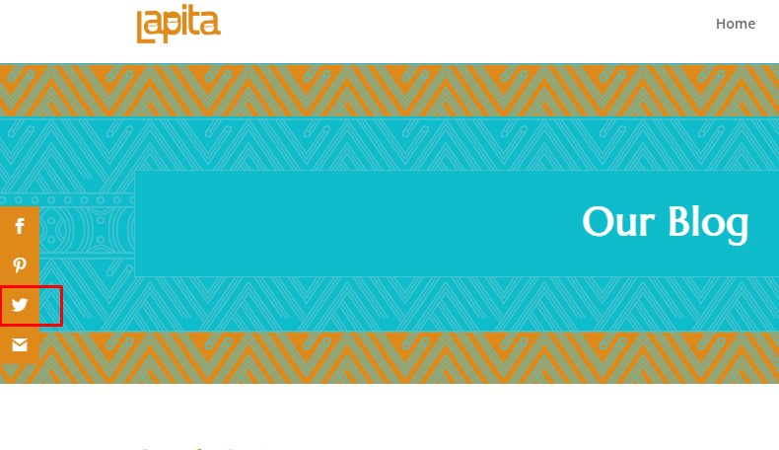
Bug severity/priority | Severity : MINOR Priority : LOW
Environment to reproduce bug | Devices : Laptop LENOVO G510 Operation system : Windows 10 Pro Browser : Chrome 129.0.6668.60 ; Website version : Lapita Café Limited 2019 ; Url : http://lapitavanuatu.com

Test Execution Report
Project | Lapita / lapitavanuatu.com
Release Date | 18-Apr-25
Testing Cycle | April 01, 2025 - April 14, 2025
Executed by | Simo Attila Tamas

 |  | Passed |  | Failed |  | Executed

GUI items manual functional testing execution summary

 |  | LOGO | HORIZONTAL NAVIGATION BAR ITEMS | NAV. BAR SEARCH | BLOG PAGE SEARCH field | HOMEPAGE Main Carousel | INDIVIDUAL PRODUCTS CAROUSEL | PRODUCT CARD COMPONENTS | CONTACT US FORM | SOCIAL MEDIA ICONS | CALL TO ACTION ITEMS
 | Executed | 4 | 16 | 8 | 2 | 5 | 32 | 10 | 9 | 5 | 23
 | Passed | 4 | 16 | 8 | 2 | 4 | 32 | 10 | 7 | 4 | 23
 | Failed | 0 | 0 | 0 | 0 | 1 | 0 | 0 | 2 | 1 | 0

