Sheet1
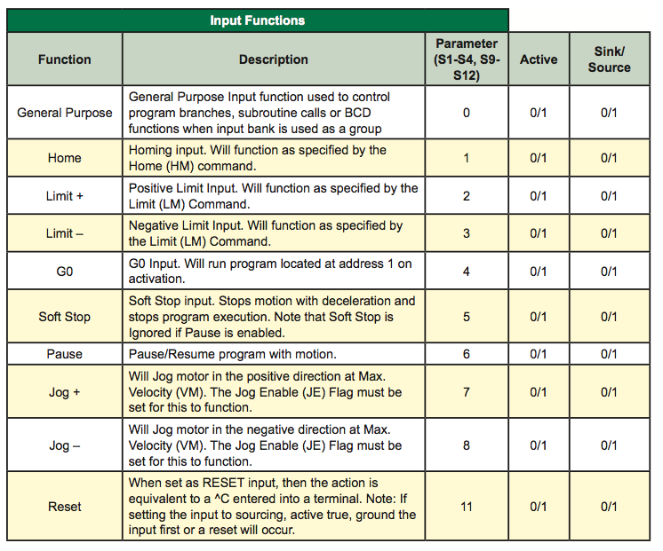
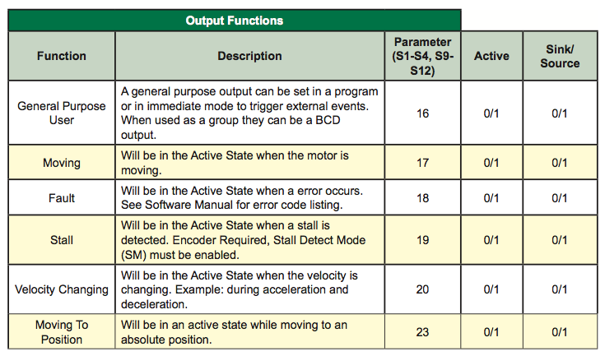
EM=0;DB=5;ES=2;HC=5;HT=500;JE=1;LM=6;MS=256;PM=0;RC=100;S1=2,0,0;S2=3,0,0;S3=5,0,0;S4=18,0,0;SF=200;SM=0;VI=40;S;

EM=0 |  | The Echo Mode Flag will set the full/half duplex configuration of the RS-485 channel. 0=Full Duplex (de- fault), 1=Half Duplex, 2=Only respond to PR and L, 3=Prints after command is terminated.
DB=5 |  | This variable defines the plus (+) and minus (-) length of the encoder deadband in encoder counts.When the encoder is enabled, a move is not completed until motion stops within DB.
ES=2 |  | ESC flag to switch between ESC and CTRL+E. An Escape will stop both the program and the motion.
HC=5 |  | This variable defines the motor holding current in percent.
HT=500 |  | The HT variable sets the delay time in milliseconds between the MV=0 and when the device shifts to the holding current level specified by the HC (Motor Holding Current) variable.
JE=1 |  | This command will enable Jog Mode if I/O are set for Jog Plus and/or Jog Minus. States are 0=Disabled, 1=Enabled. Why is it enabled in our regular setup??
LM=6 |  | The LM variable specifies the Limit Stop Mode for the MCode compatible device. There are six LM modes. They are as follows.
MS=256 |  | The MS variable controls the microstep resolution of the MCode compatible device. There are 20 different microstep resolutions that can be used with the device.
PM=0 |  | This flag will enable the position maintenance functions of an MCode compatible device with encoder.
RC=100 |  | This variable defines the motor run current in percent.
S1=2,0,0 | Limit+ | S1 is I/O line 1, S2 is line 2 etc. Next digit is Function, then Active high or active low, then Sink or source- see table
S2=3,0,0 | Limit- | -probably do want first two inputs as limits.
S3=5,0,0 | SoftStop | -as shown in example at top of page; not necessarily correct settings for any particular traverse… More likely/ useful to use for Jog inputs
S4=18,0,0 | Fault | -as shown in example at top of page; not necessarily correct settings for any particular traverse… More likely/ useful to use for Jog inputs
SF=200 | Stall Factor | If the encoder is enabled (EE = 1) and the encoder differs from the commanded position by more than the specified factor, a STALL is indicated.
SM=0 | Stall Detection Mode | The SM variable specifies the action which will be taken by the device when a stall is detected. When set to 0 (default) the motion will be stopped upon a stall detection. When SM=1, the motor will try to continue the move. In either case ST (Stall Flag) will be set.
VI=40 | Initial Velocity | Initial velocity for all motion commands. The factory default value is 1000 clock pulses (steps) per second.
S | Save | Saves all variables and flags currently in working memory (RAM) to nonvolatile memory (NVM). The previous values in NVM are completely overwritten with the new values.

