Calculations & sources
Average CO2 emission per passenger per person per kilometer: |  |  |  | g(CO2)/km

 | Air | Air | Train | Tram | Bus | Bus | Car |  | Scooter | Bicycle | Walking
 | long/intercontinental | short/continental |  |  | innercity (electric or not?!) | long distance
 |  | 285 | 14 |  | 68 | xxx | 131 | 48.5 | 72 |  |  | https://www.eea.europa.eu/media/infographics/co2-emissions-from-passenger-transport/view
 |  | 175 | 60 |  |  | xxx | 128 | 63
 | 100 | 250 |  |  | 45 | xxx | 200 | 80 |  |  |  | https://www.ipcc.ch/site/assets/uploads/2018/02/ipcc_wg3_ar5_chapter8.pdf
 |  | 244 | 28 |  |  | xxx | 101 |  |  |  |  | https://www.eea.europa.eu/data-and-maps/daviz/specific-co2-emissions-per-passenger-3#tab-chart_1
 |  |  |  | 20 | 18.8 | xxx |  |  |  |  |  | https://climateactionmoreland.org/2018/03/16/carbon-emissions-and-footprint-of-different-transport-types/
 |  | 254 | 23.5 |  | 104 |  | 107 |  |  |  |  | https://www.bbc.com/news/science-environment-49349566

 |  | 238.5 | 31.375 | 20 | 43.933333333 |  | 133.4 | 63.833333333 | 72
Average: |  | 238.5 | 31.375 | 20 | 43.933333333 |  | 98.616666667 |  | 72 | 0 | 0
 |  |  |  |  |  |  |  |  |  | Assumption: | Cycling and walking replaces exercise
 |  |  |  |  |  |  |  |  |  | "+ various positive effects"

 |  |  |  |  |  |  | Source:

 |  |  |  |  |  |  | http://web.mit.edu/2.813/www/readings/DrivingVsWalking.pdf

 |  |  |  |  |  |  | 1 mile = | 1.60934

 |  |  |  |  |  |  |  | Bicycle | vegan | 10.770460769 |  | 416.66666667
 |  |  |  |  |  |  |  |  | typical | 53.852303843
 |  |  |  |  |  |  |  |  | meat based | 124.27454733

 |  |  |  |  |  |  |  | walking | vegan | 19.883927573
 |  |  |  |  |  |  |  |  | typical | 95.277152953
 |  |  |  |  |  |  |  |  | meat based | 186.41182099

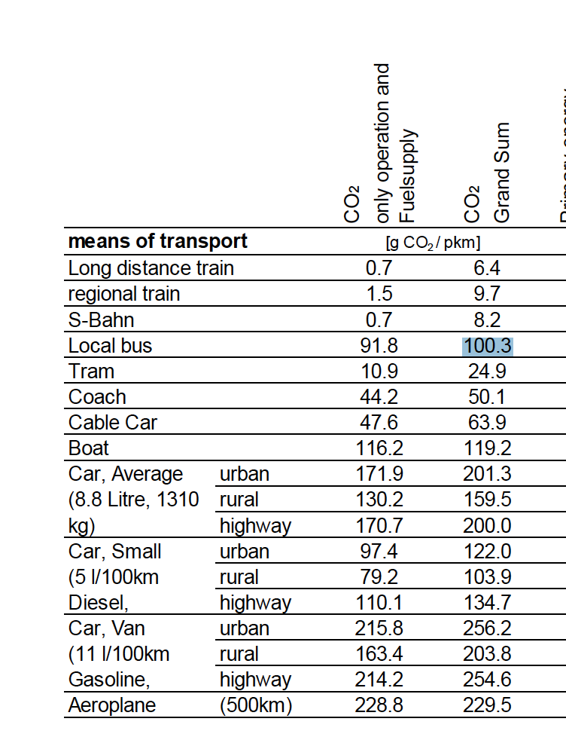
 |  |  |  |  |  | Source: SBB
 |  |  |  |  |  | SBB Ecocalculator
 |  |  |  |  |  | Background Report
 |  |  |  |  |  | Version 1.1, October 2011

 |  |  |  |  |  | REFRERENCE! Not very general! Switzerlannd specific! Trying to make it more or less EUROPE specific!

 |  |  |  |  | 186.93333333

 |  |  |  |  | 120.2

 |  |  |  |  | 238.2

 | Air | Air | Train | Tram | Bus | Bus | Car |  | Scooter | Bicycle | Walking
 | long/intercontinental | short/continental |  |  | innercity (electric or not?!) | long distance
 |  | 285 | 14 |  | 68 | xxx | 131 | 48.5 | 72 |  |  | https://www.eea.europa.eu/media/infographics/co2-emissions-from-passenger-transport/view
 |  | 175 | 60 |  |  | xxx | 128 | 63
 | 100 | 250 |  |  | 45 | xxx | 200 | 80 |  |  |  | https://www.ipcc.ch/site/assets/uploads/2018/02/ipcc_wg3_ar5_chapter8.pdf
 |  | 244 | 28 |  |  | xxx | 101 |  |  |  |  | https://www.eea.europa.eu/data-and-maps/daviz/specific-co2-emissions-per-passenger-3#tab-chart_1
 |  |  |  | 20 | 18.8 | xxx |  |  |  |  |  | https://climateactionmoreland.org/2018/03/16/carbon-emissions-and-footprint-of-different-transport-types/
 |  | 254 | 23.5 |  | 104 |  | 107 |  |  |  |  | https://www.bbc.com/news/science-environment-49349566

 |  | 238.5 | 31.375 | 20 | 43.933333333 |  | 133.4 | 63.833333333 | 72
Average: |  | 238.5 | 31.375 | 20 | 43.933333333 |  | 98.616666667 |  | 72 | 0 | 0
 |  |  |  |  |  |  |  |  |  | Assumption: | Cycling and walking replaces exercise
 |  |  |  |  |  |  |  |  |  | "+ various positive effects"

 | Carbon Emissions in g/Person*km

 | Air | Air | Train | Tram | Bus innercity! | Bus (Coach) | Car Lux | Car Med | Car Small | Scooter | Bicycle | Walking
 | not used in app | not used in app | 31.375 | 22.45 | 72.116666667 | ca. 50 | 238.2 | 186.93333333 | 120.2 | 72 |  |  | Not considering diet!
 |  |  |  |  |  |  |  |  |  |  | 10.770460769 | 19.883927573 | Normal diet
 |  |  |  |  |  |  |  |  |  |  | 53.852303843 | 95.277152953 | plant based
 |  |  |  |  |  |  |  |  |  |  | 124.27454733 | 186.41182099 | meat based

