BE(Hons)
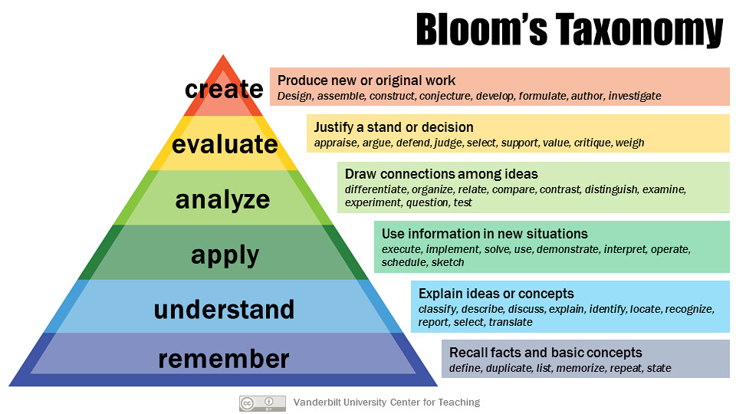
 | 1cp=20 hours

 | 4 pt | 4 pt | 4 pt | 4 pt | 4 pt | 4 pt | 4 pt | 4 pt

Year 4 (AQF8) | Evaluate/Create |  |  |  |  |  |  |  |  | Civil | Mechanical | Electrical
60 |  | Workplace learning and portfolio 4 |  | Thesis |  |  |  | Advanced Control and Signal Processing | 1 x Advanced topic | Fluid mechanics/Hydraulics | Fluid mechanics | Circuit Theory
30 |  | Workplace learning and portfolio 3 |  | Thesis |  |  |  | AI and Machine learning | 1 x Advanced topic | Concrete/timber/steel structures | Thermo/Heat transfer | Digital signal processing
 |  |  |  |  |  |  |  |  |  | Soil mechanics/Geotech | Advanced dynamics | Signals and systems
 |  |  |  |  |  |  |  |  |  | Surveying/Geomatics | Machines | Electrical machines
 |  |  |  |  |  |  |  |  |  | Mechanics of materials | Mechanics of materials | Power systems
Year 3 (AQF7) | Analyze |  |  |  |  |  |  |  |  | Environmental engineering | Control systems | Control systems
60 |  | Workplace learning and portfolio 2 |  | DSP | Power Systems | Control Systems | Wireless and Mobile Networks | Research Methods | 5 x Discipline specific | Transport engineering | Manufacturing | Communications Systems
30 |  | Workplace learning and portfolio 1 |  | Signals and Systems | Power Electronics | Disc. Design 2 | Communications Systems | Numerical Methods | 5 x Discipline specific | Project/construction management | Mechatronics | Mechatronics/Embedded systems
 |  |  |  |  |  |  |  |  |  |  |  | Power Electronics

 |  |  |  |  |  |  |  |  |  |  |  | Numerical Methods
Year 2 (AQF6) | Apply |  |  |  |  |  |  |  |  |  |  | Analogue Electronics
60 | DisciplineChallenge 1 |  | Prepare to work | Analogue Electronics | Electrical Machines | Disc. Design 1 | Mechatronics and embedded Systems | Circuit Theory | 5 x Discipline specific |  |  | Wireless and Mobile Networks
30 | Eng Challenge 3 |  |  | Maths 3 | Energy | Computing 2 | General Elective |  |  |  |  | Research Methods
 |  |  |  |  |  |  |  |  |  |  |  | Advanced Topics
 |  |  |  |  |  |  |  |  |  |  |  | Adaptive Control and Signal Processing
 |  |  |  |  |  |  |  |  |  |  |  | Artificial Intelligenceand Machine Learning
Year 1 (AQF5) | Remember and Understand |  |  |  |  |  |  |  |  |  |  | Fields Waves and Antenna design
60 | Eng Challenge 2 |  |  | Maths 2 | Mechanics 2 | CAD | Materials | Electrical
30 | Eng Challenge 1 |  |  | Maths 1 | Mechanics 1 | Design 1 | Physics | Computing 1

