Revision
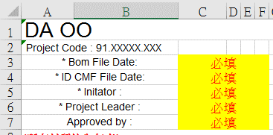
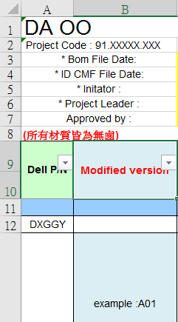
Revision History
Project Name |  | WASP13 | Project Code : 91.XXXXX.XXX (QRQY00000581)
Project ME BOM Maintain
Rev. | Description / Content |  | Owner | Date
A01 | Project WASP13 ME BOM First Release for DIS |  | Swallow Liao | 2018-06-12 | 版本變化時，務必在說明欄告知
A02 | A Cover 60ASSY: -LN14 : update the CNC area for new F.F. -LN15 : update the size for new F.F. -LN16 : Change the process to P+R -LN17/18/19 : Update the KU500I Size -LN20 : add for rigidity test risk -LN24 : add the process for assmble -LN39~42 : update for upsell Bezel 60 ASSY: -LN45/52 : update the size for new F.F. -LN46/47 : Change the hinge cap design ( Bigger one →Smaller two) -LN51 : update with EDBOOK V0.45 Hinge up Other: (DC Level) -LN62 : add the RF solution in the cable -LN66/67 : WiFi design change to system PALMREST_60ASSY : -LN77~83/91 : update with EDBOOK V0.45 (IMR→AL) -LN92/93 : WiFi design change to system -LN94~96 : update the Q'ty KB_SUPPORT_BRACKET_60ASSY: -LN99/101~103 : update with EDBOOK V0.45 (IMR→AL) BASE_60ASSY: -LN112~114/124/129 : update with EDBOOK V0.45 (AL→Plastic) MB_55ASSY: -LN140/142~152 : Antenna location design change to top side (RF solution) IO Board ASSY: -LN161~166 : Antenna location design change to top side (RF solution) Others: (DC Level) -LN174 : update the Q'ty -LN176/177 : Antenna location design change to top side (RF solution) -LN187: remove -LN188~200 : update for new SBS update (0703 SBS) -LN203/204/205/207/218 : update with cable length and pin define -LN209/210 : WiFi design change to system |  | Swallow Liao | 2018-07-03
A03 | LN57 : update hinge plate size LN198 update WASP13_Power_button_glass material from mylar to glass. LN203 add WASP13_Power_button_Mylar LN204 add WASP13_Power_button_adhesive LN205 add WASP13_Power_Button_PCB(0.5)
A04
A05

BU5 ME BOM Form Maintain
Rev. | Description / Content |  | Owner | Date
A01 | Combine golden BOM and ME BOM, adjust category column description. |  | HY Lee | 5-12-2016
A02 | Combined cost team、Sourcer、Suppliers update BOM for common use |  | Steel Wang | 5-12-2017
A03 | Add some notice and format update |  | Steel Wang | 8-08-2017
A04 | BOM/Hinge/Cable/Wire/metal/Antenna add some notice |  | Steel Wang | 9-10-2017

 | BOM Notice
 | ★★★★★ BOM表物料請務必清楚明白，後續的所有合作團隊，含廠商群均以BOM作為基準 1. 相關 BOM 的時間，CMF 的時間，BOM 表建立人，Project leader及承認主管，請填寫 ( Pic. 1 ) 2. 在 BOM sheet 中加一欄位、填寫修改後的版本，被改動的地方請用紅字來說明 ( Pic. 2 ) 3. 顏色照定義上表示修改、新增或刪除 ( Pic. 3 ) Update 後的版本，待 cost team 確認後，才可移除顏色 ( Pic. 3 ) 4. 所有的物料上的 spec尺寸、重量。或原材型號，定義要明確，輔料材料背膠型號要視實際設計需求填寫 5. 有上一代機種，建議請用上一代最後量產的BOM表，來修正填寫，如有設計上的需求，用加法來增加物料 6. 相關的BOM版本更新，必須告知團隊 ( AM/PM/Cost team/ME FM/Cost staff/Sourcer ) 7. 物料分類欄，請利用選項，區分物料是屬於 ME/ID/EMC/RF/Thermal/Screw/AVAP…等等之分類 8. 零件分類欄，請利用選項，區分零件金屬、塑件、橡膠、輔料…等等之分類，有 3D圖的名稱也要跟BOM一致 9. 有外觀上的需求及噴漆製程，有要開模具的，需在後面欄位上標示及打V，並告知噴漆PT色號 10. 螺絲、Magnet、Gasket、Absorber、CPU bracket、Shielding can 等，是屬於共用料件，請一律先行選用共用的零件及填上料號

CMF
