Sheet1
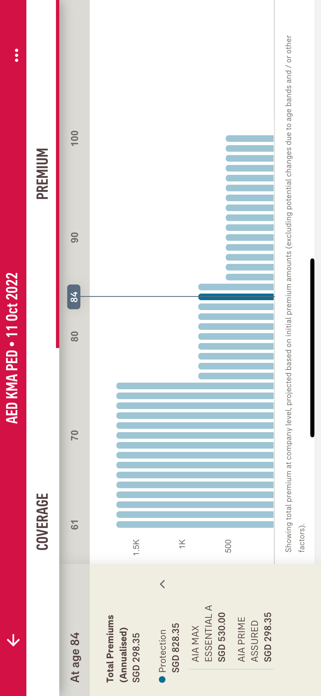

Description |  | Get data from | Logic/Field | sample data
 | At Age {selectedDate} | get year based on selected data from graph
 | 61-70-80-90-100 |  | generate premium from current age(currentDate - insuredDob) until max 100 year.
 | Total Premium Annualised SGD 298.35 | Get the data from this API url: https://ismartuat.aia.com.sg/api/customers/portfolio-overview method: post payload: { "filters": { "nric": "a958401041c9f0da6a5e7925d3f88153:8412a86cac96b607ffa069574c91628f" } } | logic to get premiumsByYear: companyLevelPremium[i].billPremium * companyLevelPremium[i].paymentMode | [ { "srcSystemCd": "IL", "companyCode": "2", "insuredId": "S3393375D", "ownerId": "S2917233A", "insuredName": "KED BMA GSED", "insuredDob": "1969-08-01", "insuredGender": "F", "premPaidToDate": 19434, "netAssetValue": 20955.46907388, "estMaturityAmount": null, "surrenderValue": 6324.72, "companyLevelCoverage": [ { "subCategoryDesc": "HOSPITALISATION", "subCategoryCd": "HOSP", "categoryDesc": "HEALTH PROTECTION", "categoryCd": "HP", "companySumAssured": null, "gapIndicator": "Restructured (A ward)", "frequencyInd": "NA", "insurer": "AIA", "cessationDt": "2070-07-01 00:00:00" }, { "subCategoryDesc": "HOSPITAL INCOME", "subCategoryCd": "HOI", "categoryDesc": "HEALTH PROTECTION", "categoryCd": "HP", "companySumAssured": 250, "gapIndicator": null, "frequencyInd": "Daily", "insurer": "AIA", "cessationDt": "2050-11-26 00:00:00" }, { "subCategoryDesc": "ACCIDENTAL DEATH OR TOTAL PERMANENT DISABILITY", "subCategoryCd": "ADOTPD", "categoryDesc": "ACCIDENT PROTECTION", "categoryCd": "AP", "companySumAssured": 750000, "gapIndicator": null, "frequencyInd": "NA", "insurer": "AIA", "cessationDt": "2045-07-21 00:00:00" }, { "subCategoryDesc": "ACCIDENTAL REIMBURSEMENT", "subCategoryCd": "AR", "categoryDesc": "ACCIDENT PROTECTION", "categoryCd": "AP", "companySumAssured": 6250, "gapIn
 | Premium Graph | generate premium from current age(currentDate - insuredDob) until 100 year. the total premium anual | const normalized = _(companyLevelPremium) .map(v => ({ ...v, annualisedPremium: v.billPremium * +v.paymentMode, remainingPremiumTerm: getRemainingTermFromDate(v.premiumCessationDate, insuredDob) })) .filter(v => v.annualisedPremium) .value() const result = { premiumsByYear: _.range(maxYears + 1) .map(year => _.sumBy(normalized, v => year <= v.remainingPremiumTerm ? v.annualisedPremium : 0) ) } | { "annualisedPremium": 530, "coveragePremiumStatus": "PP", "finalPaymentDate": "2061-01-01", "paymentMethod": "Q", "paymentMode": "01", "regularPremAmt": 530, "remainingPremiumTerm": 39 }
 | Detail Protection
 | Title | Get the data from this API url: https://ismartuat.aia.com.sg/api/customers/portfolio method: post payload: { "filters": { "nric": "a958401041c9f0da6a5e7925d3f88153:8412a86cac96b607ffa069574c91628f" } } | coverageDesc | [ { "srcSystemCd": "IL", "companyCode": "2", "insuredId": "S3393375D", "ownerId": "S2917233A", "insuredName": "KED BMA GSED", "insuredDob": "1969-08-01", "insuredGender": "F", "premPaidToDate": 19434, "netAssetValue": 20955.46907388, "estMaturityAmount": null, "surrenderValue": 6324.72, "policyLevelCoverage": [ { "categoryCode": "HP", "categoryType": "HEALTH PROTECTION", "subCategoryCode": "HOSP", "subCategoryType": "HOSPITALISATION", "policyNumber": "E224032993", "productCode": "SHE", "policyName": "AIA MAX ESSENTIAL B", "coverageCode": "SMEB", "coverageDesc": "AIA MAX ESSENTIAL B", "benefitSumAssured": 0, "benefitGapInd": null, "policyInceptionDate": "2013-07-01", "riskStartDate": "2013-07-01", "expiryDate": "2069-07-01", "finalPaymentDate": "2069-07-01", "paymentMode": "01", "paymentMethod": "D", "regularPremAmt": 370, "singlePremiumAmt": 0, "coveragePremiumStatus": "PP", "agentType": "COMMISSIONING,WRITING", "insurer": "AIA", "componentCategoryCode": "RR", "componentCategoryDesc": "Rider set-up as a Rider", "coverageCategoryCode": "HOS", "coverageCategoryDesc": "HOSPITALISATION", "covProductCategoryCode": "SH", "covProductCategoryDesc": "Health Shield", "benefitCategoryCode": "RID", "benefitCategoryDesc": "RIDER", "productTye": "Medical", "paidPremium": null, "maturityValue": null, "surrenderValue": null,
 | Premium | get the data from from this API url: https://ismartuat.aia.com.sg/api/customers/premium-overview method: post payload: { "filters": { "nric": "a958401041c9f0da6a5e7925d3f88153:8412a86cac96b607ffa069574c91628f" } } |  | { "companyCode": "2", "ownerId": "S2917233A", "totalNoOfPolicies": 7, "annualisedPremium": 4139.7, "premiumBreakdown": [ { "polPaymentMode": "01", "polPaymentMethod": "D", "paymentMethodDesc": "Direct Debit", "modalPremium": 668.35 }, { "polPaymentMode": "01", "polPaymentMethod": "M", "paymentMethodDesc": "Medisave", "modalPremium": 1543 }, { "polPaymentMode": "01", "polPaymentMethod": "Q", "paymentMethodDesc": "Cash/Cheque", "modalPremium": 1419.91 }, { "polPaymentMode": "12", "polPaymentMethod": "D", "paymentMethodDesc": "Direct Debit", "modalPremium": 42.37 } ] }

