Notes
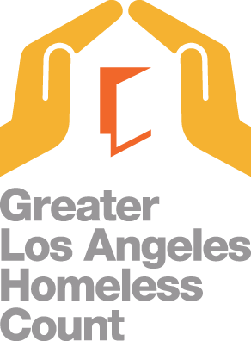

Data Prepared by Los Angeles Homeless Services Authority
Last updated 08/23/2018
Components of the Homeless Count
Street Count (all census tracts): Captures a point in time estimate of the unsheltered population.
Shelter Count (from Homeless Management Integration System): Captures the homeless population in emergency shelters, transitional housing, and safe havens. The shelter count in this dataset excludes Cal WORKs hotel/motel vouchers and domestic violence shelters for confidentiality reasons.
Youth Count (sample census tracts): Collaborative process with youth stakeholders to better understand and identify homeless youth.
Demographic Survey (sample census tracts): Captures the demographic characteristics of the unsheltered homeless population.
Notes
LAHSA does not recommend aggregating census tract-level data to calculate numbers for other geographic levels. Due to rounding, the census tract-level data may not add up to the total for Los Angeles City Council District, Supervisorial District, Service Planning Area, or the Los Angeles Continuum of Care.
The Los Angeles Continuum of Care does not include the Cities of Long Beach, Glendale, and Pasadena and will not equal the countywide Homeless Count Total.
Street Count Data include persons found outside, including persons found living in cars, vans, campers/RVs, tents, and makeshift shelters. The conversion factors used to estimate the number of persons found living outside are the following: For families—Makeshift Shelter = 2.42, Car = 2.96, Van = 2.43, Camper/RV = 3.35, Tent = 2.75; For Individuals—Makeshift Shelter = 1.67, Car = 1.54, Van = 1.62, Camper/RV = 1.76, Tent = 1.52.
Please visit https://www.lahsa.org/homeless-count/home to view and download data.
Last updated 08/23/2018
Eagle Rock/Arroyo Seco Boundaries were updated

