READ ME
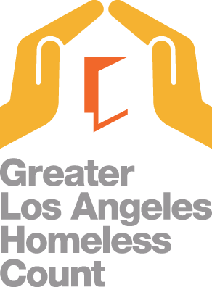

Relevant Components of the Homeless Count
Street Count: Number of people and dwellings visually enumerated in order to estimate a point-in-time count of people experiencing homelessness. Starting in 2020, LAHSA surveyed Safe Parking providers for persons staying at their facility.
Shelter Count (from Homeless Management Integration System): Captures the homeless population in emergency shelters, transitional housing, and safe havens. The shelter count in this dataset excludes Cal WORKs hotel/motel vouchers and domestic violence shelters for confidentiality reasons.
Notes
This file only contains actual counts of people and makeshift shelters. No numbers that are derived from estimates, such as occupants of dwellings or unsheltered youth, are included. Those numbers are not designed to be precise at the census tract level.
This report reflects the data that was submitted to HUD and confirmed as final as of May 10, 2024.
LAHSA does not recommend aggregating census tract-level data to calculate numbers for other geographic levels. Due to rounding, the census tract-level data may not add up to the total for Los Angeles City Council District, Supervisorial District, Service Planning Area, or the Los Angeles Continuum of Care.
The Los Angeles Continuum of Care does not include the Cities of Long Beach, Glendale, and Pasadena and will not equal the countywide Homeless Count Total.

Update 8/8/2024: Column labels for ca_sad and us_cd were swapped

