Notes
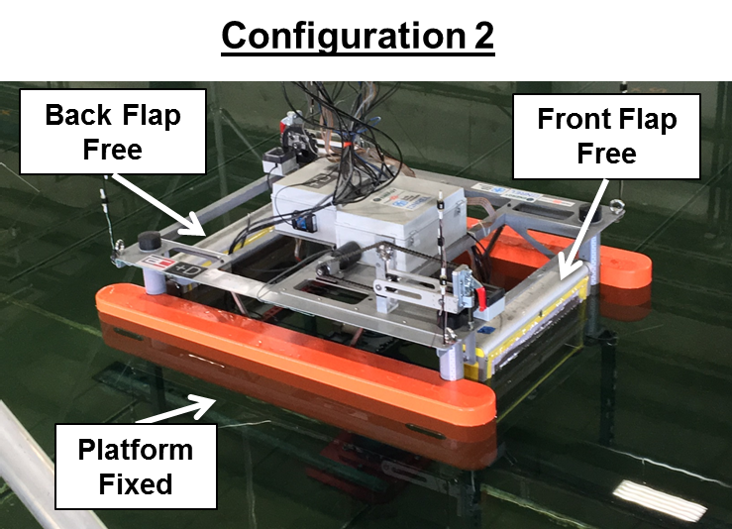
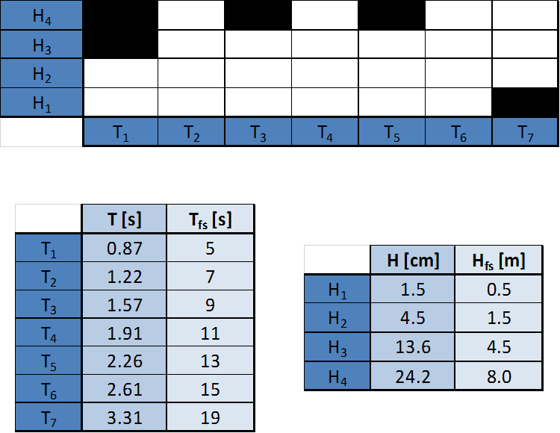
Notes
- Damping = 0.1 Nms
- NOTE: only applying damping when motor is engaged, for H2 that is a very small range of motion
- ex: backlash in system reads 7deg p2p on flap encoder and ~0.5deg p2p on motor encoder
- consider rerunning
-platform has 'legs'

