Notes
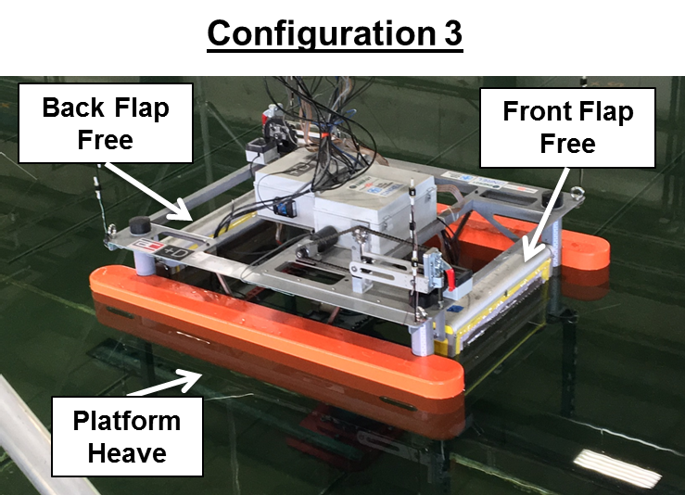
Notes
- Damping = 0.1 Nms
- Config 3
- consider rerunning

