Log
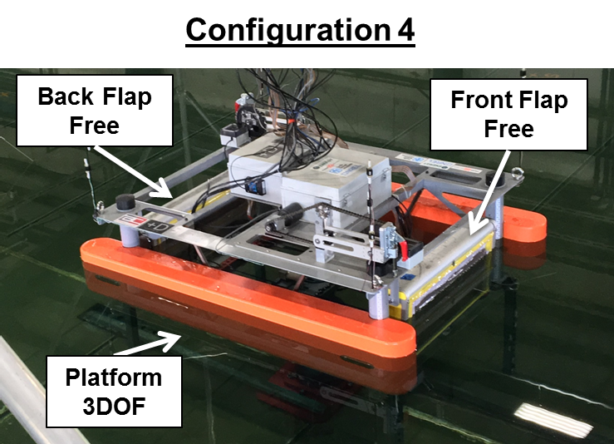
Project: |  | WECSIM2
Experiment: |  | Config4Reg
Description: |  | Configuration 4 Regular Waves, Flap1 free, Flap2 free, Platform free

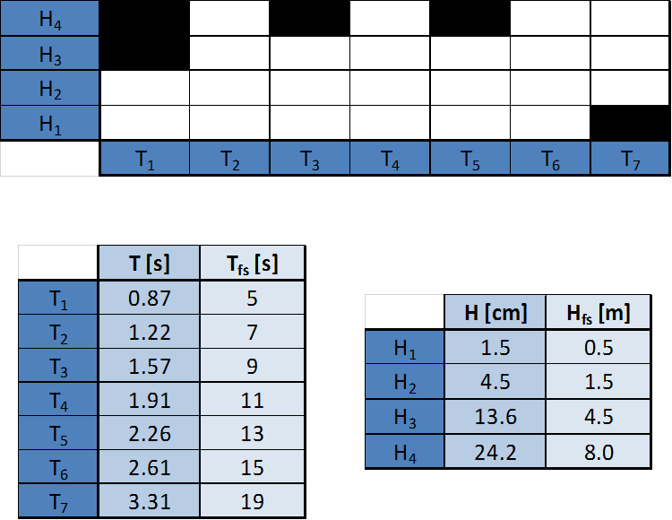
Round | Trial | T (s) | H (m) | Tfs (s) | Hfs (m) | Date | Time | Notes | Flag
1 | 1 | 0.87 | 0.045 | 5 | 1.5 | 6/15/16 | 13:35:00 | motors were not ON, run will be repeated | 1
 | 2 | 0.87 | 0.045 | 5 | 1.5 | 6/15/16 | 13:50:00 | complete - repeating previous run (Trial 1) - all good | 0
 | 3 | 1.22 | 0.045 | 7 | 1.5 | 6/15/16 | 14:07:00 | complete - all good | 0
 | 4 | 1.57 | 0.045 | 9 | 1.5 | 6/15/16 | 14:20:00 | complete - all good | 0
 | 5 | 1.91 | 0.045 | 11 | 1.5 | 6/15/16 | 14:35:00 | complete - all good | 0
 | 6 | 2.26 | 0.045 | 13 | 1.5 | 6/15/16 | 14:50:00 | complete - all good | 0
 | 7 | 2.61 | 0.045 | 15 | 1.5 | 6/15/16 | 15:04:00 | complete - all good | 0
 | 8 | 3.31 | 0.045 | 19 | 1.5 | 6/15/16 | 15:18:00 | complete - all good | 0
2 | 9 | 1.22 | 0.136 | 7 | 4.5 | 6/15/16 | 15:32:00 | complete - all good | 0
 | 10 | 1.57 | 0.136 | 9 | 4.5 | 6/15/16 | 15:48:00 | complete - all good | 0
 | 11 | 1.91 | 0.136 | 11 | 4.5 | 6/15/16 | 16:03:00 | complete - all good | 0
 | 12 | 2.26 | 0.136 | 13 | 4.5 | 6/15/16 | 16:20:00 | complete - all good | 0
 | 13 | 2.61 | 0.136 | 15 | 4.5 | 6/15/16 | 16:32:00 | complete - all good | 0
 | 14 | 3.31 | 0.136 | 19 | 4.5 | 6/15/16 | 16:46:00 | complete - all good | 0
3 | 15 | 1.22 | 0.045 | 7 | 1.5 | 6/15/16 | 17:01:00 | complete - all good | 0
 | 16 | 1.91 | 0.045 | 11 | 1.5 | 6/16/16 | 8:53:00 | Trigger Missed - Measurement not used | 1
 | 17 | 1.91 | 0.045 | 11 | 1.5 | 6/16/16 | 9:02:00 | complete - no pressure mat data | 0
 | 18 | 2.61 | 0.045 | 15 | 1.5 | 6/16/16 | 9:15:00 | complete - pressure mat shut down | 0
4 | 19 | 1.22 | 0.045 | 7 | 1.5 | 6/16/16 | 9:29:00 | complete - pressure mat: first several seconds data missing | 0
 | 20 | 1.91 | 0.045 | 11 | 1.5 | 6/16/16 | 9:42:00 | complete - pressure mat: first several seconds data missing | 0
 | 21 | 2.61 | 0.045 | 15 | 1.5 | 6/16/16 | 9:57:00 | complete - all good | 0

