Notes
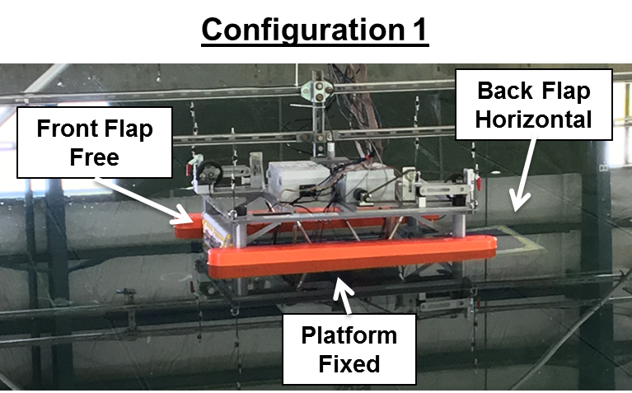
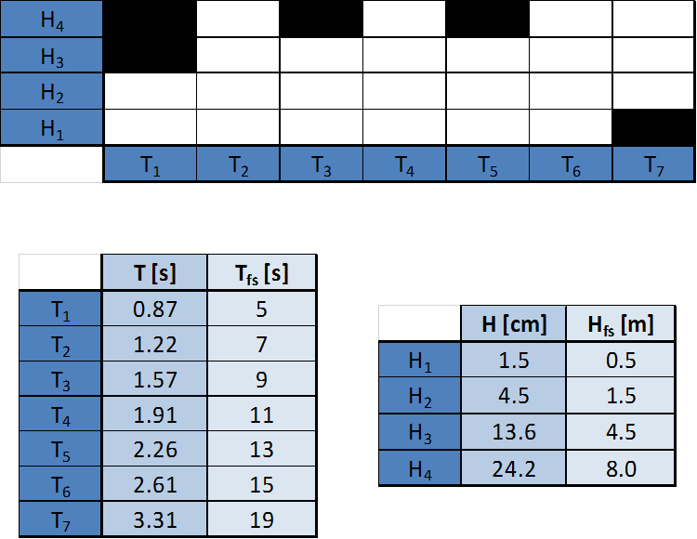
Notes
- ran Airy Waves for trials 8-11, in order to run longer time series ~12-13 min long time-series
- ran calibrated waves for Trials 1-7
- chose pto damping = 0.1 Nms
- config 1

