Notes
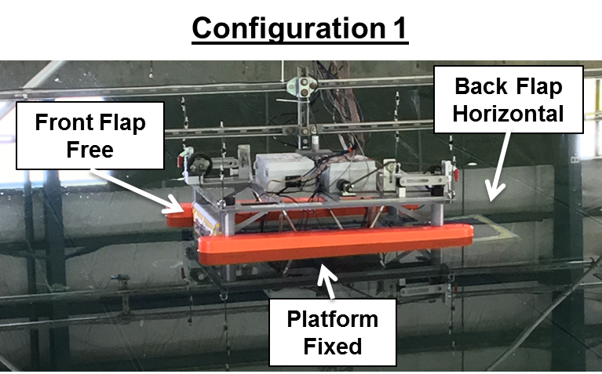
Notes
- θi,flap1 = 0.02° when vertical
- θi refers to the initial angle of the flap before displacement
- Δθ refers to the displacement angle from vertical, used crane to displace the flaps and cut line for decay
- never saw movement in the back flap due to the front flap decay, even for Δθ = 25°
- ran one 3° trial | Which trial??

