Notes
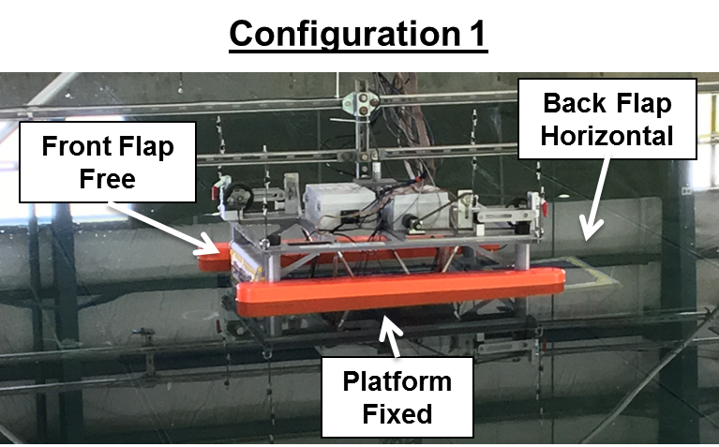
Notes
- NOTE will not prescribe an angle, will prescibe a torque at a period, this will produce an angle TBD
- test plan currently calls for each Round to be repeated 3 times (3x21 trials), consider spot checks for repeatability
- test duration is 1min
- all observed angles are eye-balled
-recorded p2p response, but response is not axisymmetric
- simplified Bspace, still crashed sporadically
- red means error or redone
- in many cases we observed non-symmetric response, aka shift from symmetric rotation about 0deg
- config 1

