Notes
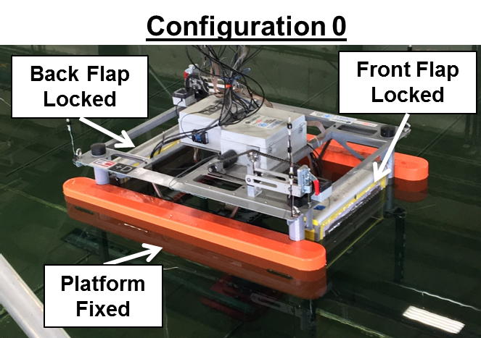
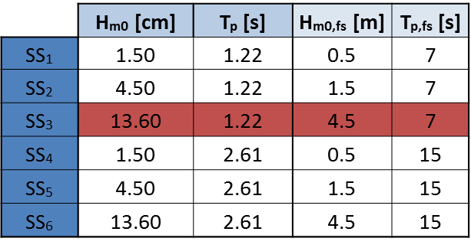
Notes
- NOTE target and observed sea states are not the same
- no Flap2 pressure mat data
- 1 run for each wave case
- all waves are PM spectra
'- Consider doing spot checks to verify repeatability
- NOTE: Omitted Tp=7s, and Hm0=4.5m, consdier running

