Notes
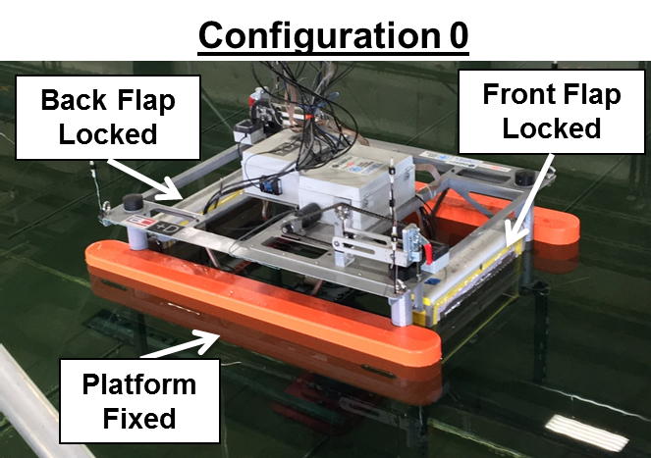
Notes
- Did H2 spot checks to verify repeatability
- 1 run for each wave case
- no Hfs = 8m wave cases, or Tfs = 19s wave cases
- freeboard not the same on R vs L side of FOSWEC
- 3min waves, 6min DAQ
- H3 waves has some overtopping trials, and lots of pitch motion
- LOTS of Bspace issues
- repeat Trials 19-21
- rerun Trials 14-18 with legs
- something happened with Trials 22-29, not sure what, discard
- Configuration 0

