Cobenfy
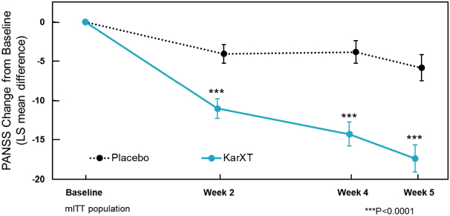
Main
 | Brand | Cobenfy, fka KarXT
 | Generic | xanomeline-trospium
 | Indication | Schizophrenia
 | MOA | M1/M4 agonist (xanomeline), M1/M4 peripheral antagonist (trospium)
 | IP
 | Clinical Trials

