Main
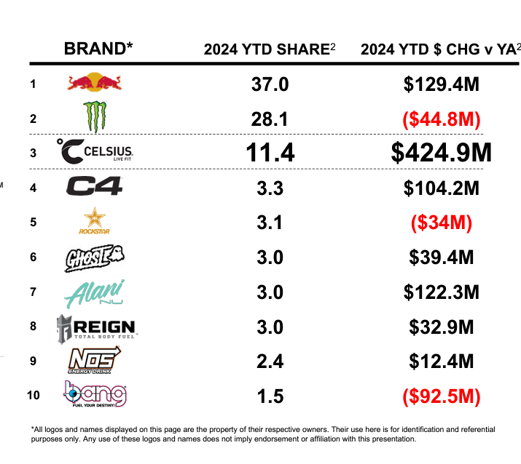
Price | 26.00
Shares | 233 | Q224
MC | 6,067
Cash | 903 | Q224
Debt | 0 | Q224
EV | 5,164

