Main
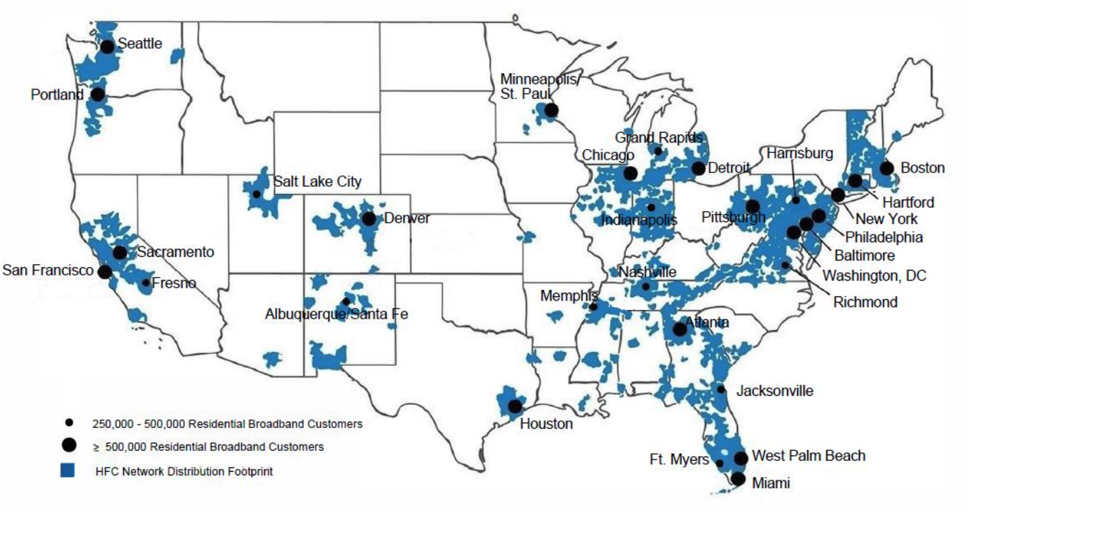
 |  |  | Price | 39.25
 |  |  | Shares | 3,873 | Q224
 |  |  | MC | 151,996
 |  |  | Cash | 15,236 | Q224
 |  |  | Debt | 98,128 | Q224
 |  |  | EV | 234,888

USA Network | 71 | General entertainment and sports
Syfy | 71 | Genre-based entertainment
E! | 71 | Entertainment and pop culture
MSNBC | 70 | News, political commentary and information
Bravo | 70 | Lifestyle entertainment
CNBC | 70 | Business and financial news
Oxygen | 64 | True crime
Golf Channel | 59 | Golf competition and golf entertainment
Universal Kids | 47 | Children’s entertainment
Universo | 21 | Spanish-language entertainment
CNBC World | 18 | Global financial news

