ivonescimab
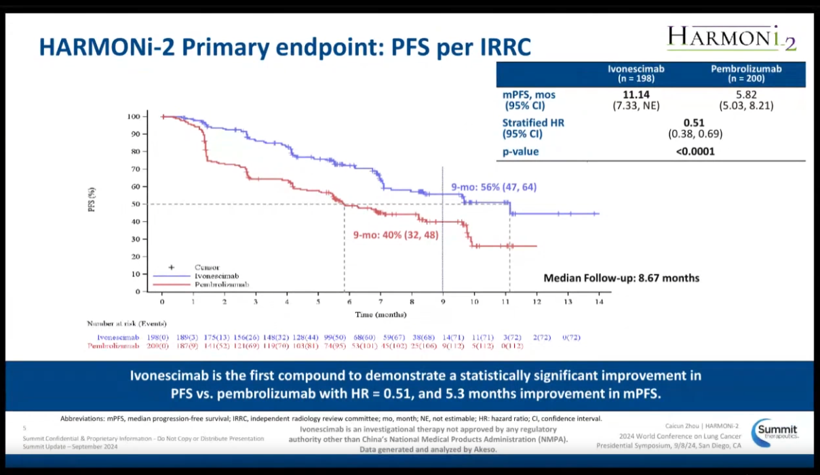
Main
 | Brand
 | Generic | ivonescimab
 | Economics | Akeso: 9926 HK
 | Indication | NSCLC
 | MOA | PD-1/VEGF bispecific mab
 | Clinical Trials
 |  | Phase III "HARMONi-2"
 |  | median PFS 11.1m vs. 5.8m pembrolizumab, HR=0.51

