M5Stack_ESP-WROOM-32
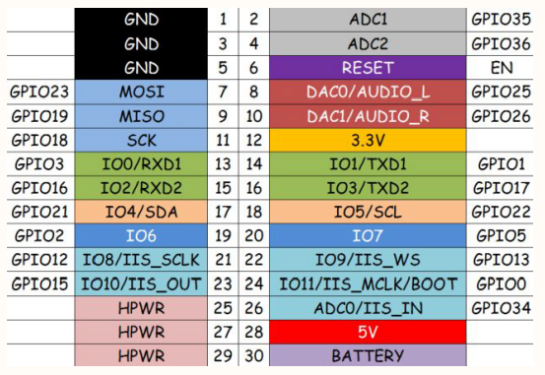
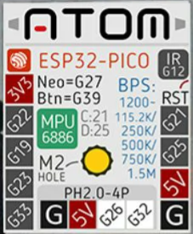
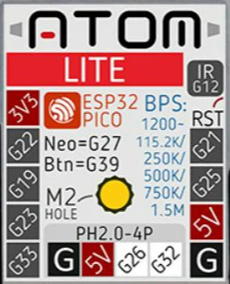
ESP32 IO No. | Strapping(default) | M5Stack_Internal | M-BUS | I/O EXTENSION | M5GO Base | M5ATOM I/O | ATOM->M-BUS | USB_Host_Shield | L293D | PCA9685 | direction | Note
0 | 〇(PU) | Mode | IIS_MCLK |  |  |  |  |  | 12EN |  | I/O | GPIO0, ADC2_CH1, TOUCH1, RTC_GPIO11, CLK_OUT1, EMAC_TX_CLK | M5Stack M-BUS |  |  |  | M5ATOM Matrix |  | M5ATOM LITE
1 |  | TXD0 | TXD1 | 〇 |  | TXD(USB) |  |  |  |  | I/O | GPIO1, U0TXD, CLK_OUT3, EMAC_RXD2
2 | 〇(PD) |  | G2 | 〇 |  |  |  |  | 3A |  | I/O | GPIO2, ADC2_CH2, TOUCH2, RTC_GPIO12, HSPIWP, HS2_DATA0, SD_DATA0
3 |  | RXD0 | RXD1 | 〇 |  | RXD(USB) |  |  |  |  | I/O | GPIO3, U0RXD, CLK_OUT2
4 |  | SD_SPI_CS |  |  |  |  |  |  |  |  | I/O | GPIO4, ADC2_CH0, TOUCH0, RTC_GPIO10, HSPIHD, HS2_DATA1, SD_DATA1, EMAC_TX_ER
5 | 〇(PU) |  | G5 | 〇 |  |  |  | SS |  |  | I/O | GPIO5, VSPICS0, HS1_DATA6, EMAC_RX_CLK
6 |  |  |  |  |  |  |  |  |  |  | I/O | GPIO6, SD_CLK, SPICLK, HS1_CLK, U1CTS
7 |  |  |  |  |  |  |  |  |  |  | I/O | GPIO7, SD_DATA0, SPIQ, HS1_DATA0, U2RTS
8 |  |  |  |  |  |  |  |  |  |  | I/O | GPIO8, SD_DATA1, SPID, HS1_DATA1, U2CTS
9 |  |  |  |  |  |  |  |  |  |  | I/O | GPIO9, SD_DATA2, SPIHD, HS1_DATA2, U1RXD
10 |  |  |  |  |  |  |  |  |  |  | I/O | GPIO10, SD_DATA3, SPIWP, HS1_DATA3, U1TXD
11 |  |  |  |  |  |  |  |  |  |  | I/O | GPIO11, SD_CMD, SPICS0, HS1_CMD, U1RTS
12 | 〇(PD) |  | IIS_SCK |  |  | IR_Trans(Internal) |  |  | 1A |  | I/O | GPIO12, ADC2_CH5, TOUCH5, RTC_GPIO15, MTDI, HSPIQ, HS2_DATA2, SD_DATA2, EMAC_TXD3
13 |  |  | IIS_WS |  |  |  |  |  | 2A |  | I/O | GPIO13, ADC2_CH4, TOUCH4, RTC_GPIO14, MTCK, HSPID, HS2_DATA3, SD_DATA3, EMAC_RX_ER
14 |  | LCD_CS |  |  |  |  |  |  |  |  | I/O | GPIO14, ADC2_CH6, TOUCH6, RTC_GPIO16, MTMS, HSPICLK, HS2_CLK, SD_CLK, EMAC_TXD2
15 | 〇(PU) |  | IIS_OUT |  | RGB_LED |  |  |  | 34EN |  | I/O | GPIO15, ADC2_CH3, TOUCH3, MTDO, HSPICS0, RTC_GPIO13, HS2_CMD, SD_CMD, EMAC_RXD3
16 |  |  | RXD2 | 〇 | GROVE C-1 |  |  |  | 4A |  | I/O | GPIO16, HS1_DATA4, U2RXD, EMAC_CLK_OUT
17 |  |  | TXD2 | 〇 | GROVE C-2 |  |  | INT |  |  | I/O | GPIO17, HS1_DATA5, U2TXD, EMAC_CLK_OUT_180 | Strapping Pins
18 |  | LCD_SCK/SD_SPI_CLK | SCK | 〇 |  |  |  | SCK |  |  | I/O | GPIO18, VSPICLK, HS1_DATA7 | Voltage of Internal LDO (VDD_SDIO)
19 |  | SD_SPI_SDDO | MISO | 〇 |  | 〇 | G19(MISO),G12 | MISO |  |  | I/O | GPIO19, VSPIQ, U0CTS, EMAC_TXD0 | Pin | Default | 3.3V | 1.8V
20 |  |  |  |  |  |  |  |  |  |  |  |  | MTDI/GPIO12 | Pull-down | 0 | 1
21 |  | I2C_SDA/GROVE_SDA | SDA | 〇 / GROVE A-2 |  | 〇/MPU6886_SCL | G22(SCL) |  |  | SDA | I/O | GPIO21, VSPIHD, EMAC_TX_EN | Booting Mode
22 |  | I2C_SCL/GROVE_SCL | SCL | 〇 / GROVE A-1 |  | 〇 | G13, G17(TXD2) |  |  | SCL | I/O | GPIO22, VSPIWP, U0RTS, EMAC_TXD1 | Pin | Default | SPI Flash Boot | Download Boot
23 |  | LCD_MOSI/SD_SPI_SDDI | MOSI | 〇 |  | 〇 | G23(MOSI), G2 | MOSI |  |  | I/O | GPIO23, VSPID, HS1_STROBE | GPIO0 | Pull-up | 1 | 0
24 |  |  |  |  |  |  |  |  |  |  |  |  | GPIO2 | Pull-down | Don't-care | 0
25 |  | SPEAKER | DAC0 | 〇 |  | 〇/MPU6886_SDA | G21(SDA) |  |  |  | I/O | GPIO25, DAC_1, ADC2_CH8, RTC_GPIO6, _RXD0 | Debugging Log on U0TXD During Booting
26 |  |  | DAC1 | 〇 | GROVE B-2 | GROVE-2 | G26(DAC) |  |  |  | I/O | GPIO26, DAC_2, ADC2_CH9, RTC_GPIO7, EMAC_RXD1 | Pin | Default | U0TXD Toggling | U0TXD Silent
27 |  | LCD_R/S |  |  |  | Neopixel(Internal) |  |  |  |  | I/O | GPIO27, ADC2_CH7, TOUCH7, RTC_GPIO17, EMAC_RX_DV | MTDO/GPIO15 | Pull-up | 1 | 0
28 |  |  |  |  |  |  |  |  |  |  |  |  | Timing of SDIO Slave
29 |  |  |  |  |  |  |  |  |  |  |  |  | Pin | Default | Falling-edge Input | Falling-edge Input | Rising-edge Input | Rising-edge Input
30 |  |  |  |  |  |  |  |  |  |  |  |  |  |  | Falling-edge Output | Rising-edge Output | Falling-edge Output | Rising-edge Output
31 |  |  |  |  |  |  |  |  |  |  |  |  | MTDO/GPIO15 | Pull-up | 0 | 0 | 1 | 1
32 |  | LCD_BL |  |  |  | GROVE-1 | G5 |  |  |  | I/O | GPIO32, XTAL_32K_P (32.768 kHz crystal oscillator input), ADC1_CH4, TOUCH9, RTC_GPIO9 | GPIO5 | Pull-up | 0 | 1 | 0 | 1
33 |  | LCD_RST |  |  |  | 〇 | G16(RXD2),G18(SCK) |  |  |  | I/O | GPIO33, XTAL_32K_N (32.768 kHz crystal oscillator output), ADC1_CH5, TOUCH8, RTC_GPIO8 | Note:
34 |  |  | IIS_IN |  | MIC_IN |  |  |  |  |  | I | GPIO34, ADC1_CH6, RTC_GPIO4 | Firmware can conﬁgure register bits to change the setting of "Voltage of Internal LDO (VDD_SDIO)"
35 |  |  | AD | 〇 |  |  |  |  |  |  | I | GPIO35, ADC1_CH7, RTC_GPIO5 | and "Timing of SDIO Slave" after booting.
36 |  |  | AD | 〇 | GROVE B-1 |  |  |  |  |  | I | GPIO36, SENSOR_VP, ADC_H, ADC1_CH0, RTC_GPIO0
37 |  | BUTTON_C |  |  |  |  |  |  |  |  | I | GPIO37, SENSOR_CAPP (270pF)
38 |  | BUTTON_B |  |  |  |  |  |  |  |  | I | GPIO38, SENSOR_CAPN (270pF)
39 |  | BUTTON_A |  |  |  | BUTTON(Internal) |  |  |  |  | I | GPIO39, SENSOR_VN, ADC1_CH3, ADC_H, RTC_GPIO3

RPi_touch_ILI9486
 |  |  |  |  |  | 3.5' Rpi Display
TP | CS
LCD |  | CS | RST | GND | DC |  | NC | GND | NC | NC | NC | GND | 5V | 5V
 | 26 | 24 | 22 | 20 | 18 |  | 16 | 14 | 12 | 10 | 8 | 6 | 4 | 2

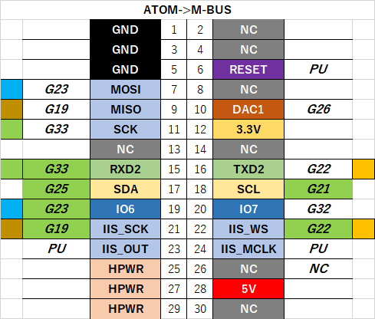
 | 25 | 23 | 21 | 19 | 17 |  | 15 | 13 | 11 | 9 | 7 | 5 | 3 | 1

LCD | GND | SCK |  | MOSI | 3.3V |  | NC | NC |  | GND | NC | NC | NC | 3.3V
TP |  | SCK | MISO | MOSI |  |  |  |  | IRQ |  |  |  |  |  |  | M-BUS
 |  |  |  |  |  |  |  |  |  |  |  |  |  |  | GND | 1 | 2 | NC

 |  |  |  |  |  |  |  |  |  |  |  |  |  |  | GND | 3 | 4 | NC

 |  |  |  |  |  |  |  |  |  |  |  |  |  |  | GND | 5 | 6 | RST

 |  |  |  |  |  |  |  |  |  |  |  |  |  |  | G23 | 7 | 8 | NC

 |  |  |  |  |  |  |  |  |  |  |  |  |  |  | G19 | 9 | 10 | G26

 |  |  |  |  |  |  |  |  |  |  |  |  |  |  | G33 | 11 | 12 | 3.3V

 |  |  |  |  |  |  |  |  |  |  |  |  |  |  | NC | 13 | 14 | NC

#define TFT_MISO 19
#define TFT_MOSI 23
#define TFT_SCLK 33
#define TFT_CS 22 // Chip select control pin
#define TFT_DC 26 // Data Command control pin
#define TFT_RST -1 // Set TFT_RST to -1 if display RESET is connected to ESP32 board RST
#define TOUCH_CS 32 // Chip select pin (T_CS) of touch screen
 |  |  |  |  |  |  |  |  |  |  |  |  |  |  | G33 | 15 | 16 | G22

 |  |  |  |  |  |  |  |  |  |  |  |  |  |  | G25 | 17 | 18 | G21

 |  |  |  |  |  |  |  |  |  |  |  |  |  |  | G23 | 19 | 20 | G32

 |  |  |  |  |  |  |  |  |  |  |  |  |  |  | G19 | 21 | 22 | G22

 |  |  |  |  |  |  |  |  |  |  |  |  |  |  | PU | 23 | 24 | PU

 |  |  |  |  |  |  |  |  |  |  |  |  |  |  | NC | 25 | 26 | NC

 |  |  |  |  |  |  |  |  |  |  |  |  |  |  | NC | 27 | 28 | 5V

 |  |  |  |  |  |  |  |  |  |  |  |  |  |  | NC | 29 | 30 | NC

ESP-WROOM-32 Pinlist
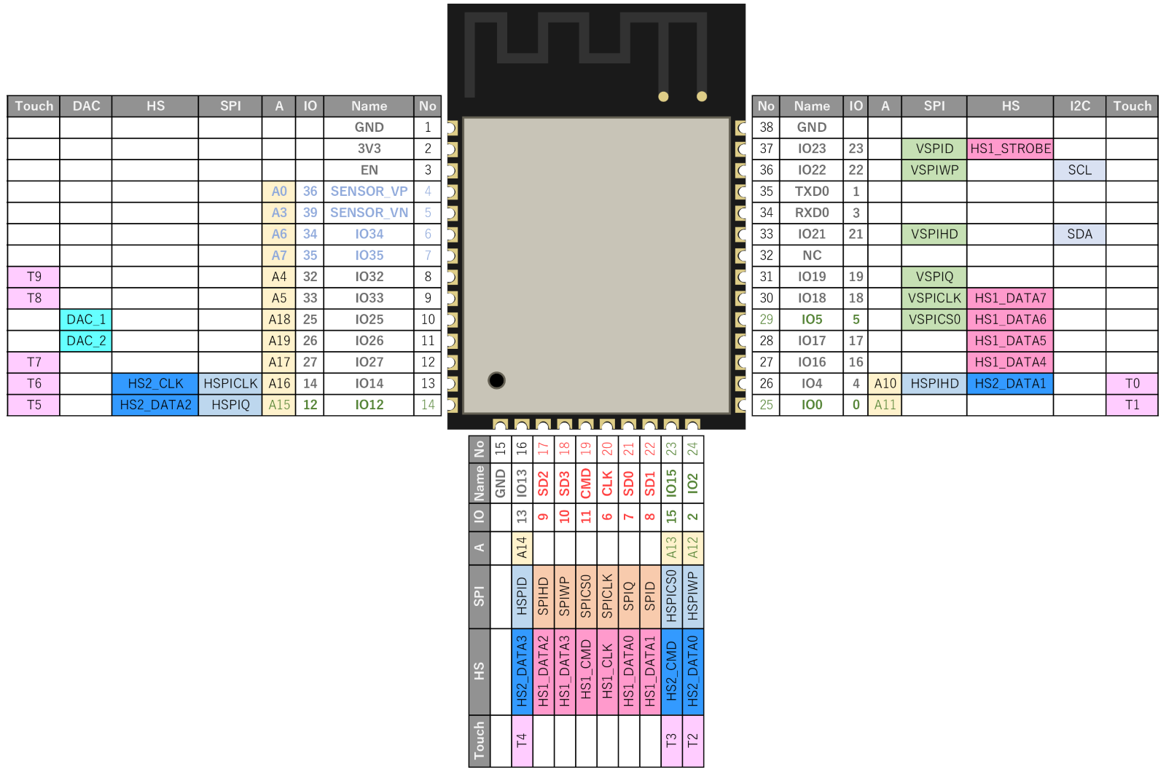
名称 | No. | 種類 | 機能 | Pinout
GND | 1 | P | Ground
3V3 | 2 | P | Power supply.
EN | 3 | I | Chip-enable signal. Active high.
SENSOR_VP | 4 | I | GPIO36, SENSOR_VP, ADC_H, ADC1_CH0, RTC_GPIO0
SENSOR_VN | 5 | I | GPIO39, SENSOR_VN, ADC1_CH3, ADC_H, RTC_GPIO3
IO34 | 6 | I | GPIO34, ADC1_CH6, RTC_GPIO4
IO35 | 7 | I | GPIO35, ADC1_CH7, RTC_GPIO5
IO32 | 8 | I/O | GPIO32, XTAL_32K_P (32.768 kHz crystal oscillator input), ADC1_CH4, TOUCH9, RTC_GPIO9
IO33 | 9 | I/O | GPIO33, XTAL_32K_N (32.768 kHz crystal oscillator output), ADC1_CH5, TOUCH8, RTC_GPIO8
IO25 | 10 | I/O | GPIO25, DAC_1, ADC2_CH8, RTC_GPIO6, _RXD0
IO26 | 11 | I/O | GPIO26, DAC_2, ADC2_CH9, RTC_GPIO7, EMAC_RXD1
IO27 | 12 | I/O | GPIO27, ADC2_CH7, TOUCH7, RTC_GPIO17, EMAC_RX_DV
IO14 | 13 | I/O | GPIO14, ADC2_CH6, TOUCH6, RTC_GPIO16, MTMS, HSPICLK, HS2_CLK, SD_CLK, EMAC_TXD2
IO12 | 14 | I/O | GPIO12, ADC2_CH5, TOUCH5, RTC_GPIO15, MTDI, HSPIQ, HS2_DATA2, SD_DATA2, EMAC_TXD3
GND | 15 | P | Ground
IO13 | 16 | I/O | GPIO13, ADC2_CH4, TOUCH4, RTC_GPIO14, MTCK, HSPID, HS2_DATA3, SD_DATA3, EMAC_RX_ER
SHD/SD2* | 17 | I/O | GPIO9, SD_DATA2, SPIHD, HS1_DATA2, U1RXD
SWP/SD3* | 18 | I/O | GPIO10, SD_DATA3, SPIWP, HS1_DATA3, U1TXD
SCS/CMD* | 19 | I/O | GPIO11, SD_CMD, SPICS0, HS1_CMD, U1RTS
SCK/CLK* | 20 | I/O | GPIO6, SD_CLK, SPICLK, HS1_CLK, U1CTS
SDO/SD0* | 21 | I/O | GPIO7, SD_DATA0, SPIQ, HS1_DATA0, U2RTS
SDI/SD1* | 22 | I/O | GPIO8, SD_DATA1, SPID, HS1_DATA1, U2CTS
IO15 | 23 | I/O | GPIO15, ADC2_CH3, TOUCH3, MTDO, HSPICS0, RTC_GPIO13, HS2_CMD, SD_CMD, EMAC_RXD3
IO2 | 24 | I/O | GPIO2, ADC2_CH2, TOUCH2, RTC_GPIO12, HSPIWP, HS2_DATA0, SD_DATA0
IO0 | 25 | I/O | GPIO0, ADC2_CH1, TOUCH1, RTC_GPIO11, CLK_OUT1, EMAC_TX_CLK
IO4 | 26 | I/O | GPIO4, ADC2_CH0, TOUCH0, RTC_GPIO10, HSPIHD, HS2_DATA1, SD_DATA1, EMAC_TX_ER
IO16 | 27 | I/O | GPIO16, HS1_DATA4, U2RXD, EMAC_CLK_OUT
IO17 | 28 | I/O | GPIO17, HS1_DATA5, U2TXD, EMAC_CLK_OUT_180
IO5 | 29 | I/O | GPIO5, VSPICS0, HS1_DATA6, EMAC_RX_CLK
IO18 | 30 | I/O | GPIO18, VSPICLK, HS1_DATA7
IO19 | 31 | I/O | GPIO19, VSPIQ, U0CTS, EMAC_TXD0
NC | 32 | -
IO21 | 33 | I/O | GPIO21, VSPIHD, EMAC_TX_EN
RXD0 | 34 | I/O | GPIO3, U0RXD, CLK_OUT2
TXD0 | 35 | I/O | GPIO1, U0TXD, CLK_OUT3, EMAC_RXD2
IO22 | 36 | I/O | GPIO22, VSPIWP, U0RTS, EMAC_TXD1
IO23 | 37 | I/O | GPIO23, VSPID, HS1_STROBE
GND | 38 | P | Ground
GND | 39 | P | Ground
Note: * Pins SCK/CLK, SDO/SD0, SDI/SD1, SHD/SD2, SWP/SD3 and SCS/CMD, namely, GPIO6 to GPIO11 are connected to the integrated SPI flash integrated on ESP-WROOM-32 and are not recommended for other uses.

