ECN
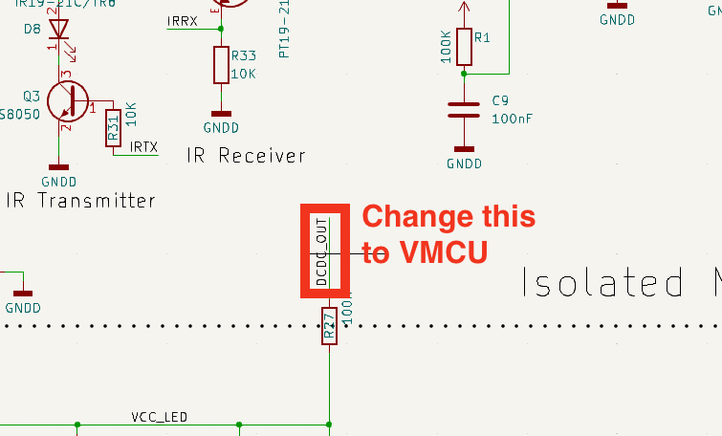
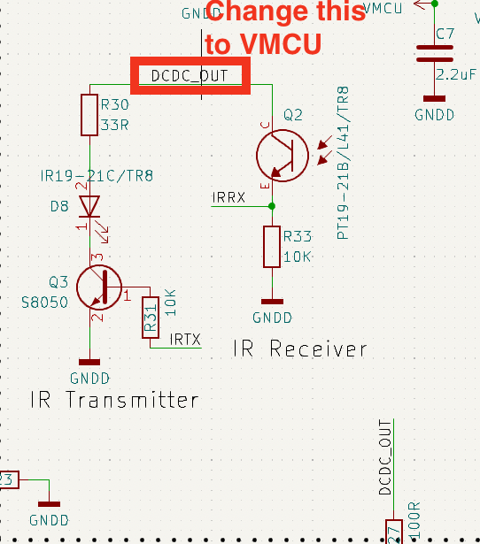
Engineering Change Notice | Action
I want to increase the number of batteries used to power this robot from 2 to 3. This will raise the battery voltage from 3V to 4.5V. MCU cannot run on such a high voltage, so I need to add one LDO linear regulator. The output of the regulator should be 3.3V. | RT9080-33GJ5
R23, which is now 10R, change that or 0R. | C17888
C35, which is 1000uF, change that to DNP (do not populate), but keep the footprint there. | changed
D5, change to DNP | changed
L2, change to 0R resistor. | changed to R32 1206
R24, change to 0R. | changed
R27, change it from 100R to 680R | changed
R30, change to 100R. | changed

