Summary
Laya SEO audit: duckwolf.cn
Audited 2026-10-04T16:08:23+00:00 · 13 URLs crawled · 7 HTML pages · engine split 0 Laya / 5 Jev
Score by area
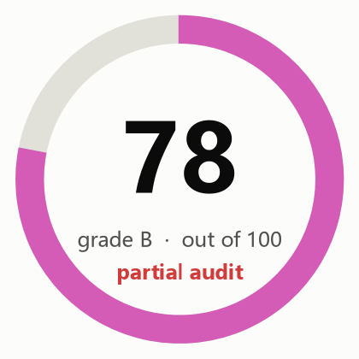
Overall score | 78
Grade | B (partial audit)
Semantic engine cost (USD) | $0.0054
DataForSEO cost (USD) | not used

Area | Score | Weight | How it is scored
Crawl and indexing | 81 | 20 | Rules only
On-page | 76 | 15 | Rules plus Jev findings
Content quality | 57 | 20 | 70% semantic judgment (Laya local model with Jev escalation: helpfulness, specificity, trust), 30% rules
Links and architecture | 91 | 10 | Rules only
Structured data and sharing | 91 | 8 | Rules plus Jev findings
AI search readiness | 71 | 12 | 70% semantic judgment (Laya local model with Jev escalation: citability, answer-first, entity clarity), 30% rules; editorial heuristics, since Google states no special optimization is required for AI features
Performance | 93 | 10 | Crawl observations only: PageSpeed Insights unavailable
Security and trust | 94 | 5 | Rules only
Search visibility and authority |  | 15 | Not assessed: run with --full (DataForSEO)
Action status
Live status counts (from the Actions sheet)
To do
In progress
Done
Deferred
Not applicable

Open actions by priority
P1
P2
P3
Total actions

Charts
