Summary
Jev SEO audit: claude-seo.md
Audited 2026-09-22T00:00:35+00:00 · 60 URLs crawled · 60 HTML pages · Jev jev-1.13.0
Score by area
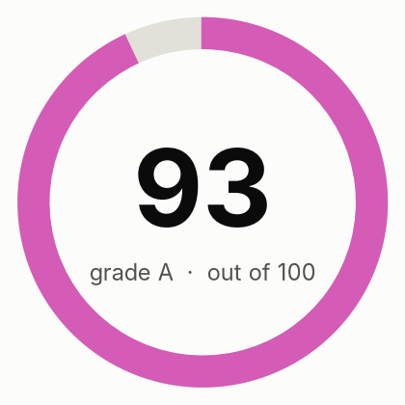
Overall score | 93
Grade | A
Jev cost (USD) | $0.0198
DataForSEO cost (USD) | $0.3163

Area | Score | Weight | How it is scored
Crawl and indexing | 99 | 20 | Rules only
On-page | 99 | 15 | Rules plus Jev findings
Content quality | 89 | 20 | 70% Jev judgment (helpfulness, specificity, trust), 30% rules
Links and architecture | 98 | 10 | Rules only
Structured data and sharing | 99 | 8 | Rules only
AI search readiness | 80 | 12 | 70% Jev judgment (citability, answer-first, entity clarity), 30% rules; editorial heuristics, since Google states no special optimization is required for AI features
Performance | 98 | 10 | 50% Lighthouse mobile performance, 50% crawl observations
Security and trust | 100 | 5 | Rules only
Search visibility and authority | 82 | 15 | DataForSEO rankings, keywords and backlinks, filtered by Jev relevance
Action status
Live status counts (from the Actions sheet)
to_do
in_progress
done
deferred
not_applicable

Open actions by priority
P1
P2
P3
Total actions

Performance
URL | Device | Performance | Accessibility | Best practices | SEO | LCP p75 ms | INP p75 ms | CLS p75 | LCP rating | INP rating | CLS rating | Field data level
https://claude-seo.md/ | mobile | 99 | 100 | 100 | 100 | 1024 | 89 | 0 | good | good | good | page
https://claude-seo.md/ | desktop | 99 | 100 | 100 | 100 | 748 | 50 | 0 | good | good | good | page
https://claude-seo.md/install | mobile | 100 | 100 | 100 | 100 | 933 | 88 | 0 | good | good | good | origin
https://claude-seo.md/install | desktop | 100 | 100 | 100 | 100 | 644 | 33 | 0 | good | good | good | page
https://claude-seo.md/skills | mobile | 94 | 96 | 100 | 100 | 580 |  | 0 | good |  | good | page
https://claude-seo.md/skills | desktop | 99 | 96 | 100 | 100 | 382 | 30 | 0 | good | good | good | page

Lighthouse scores

Charts
