Evnviroment Test
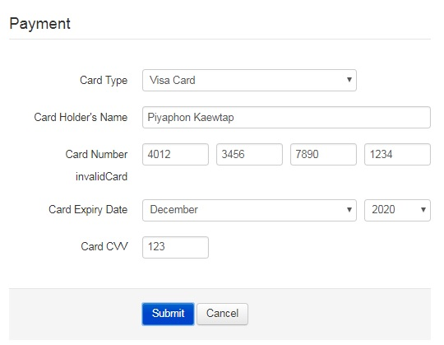
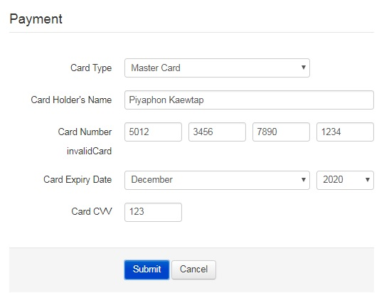
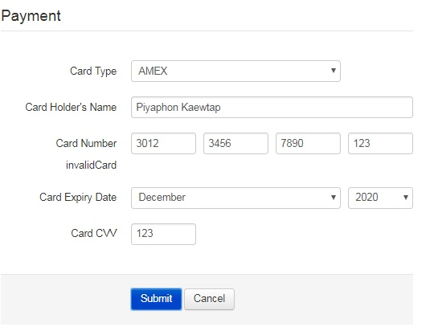
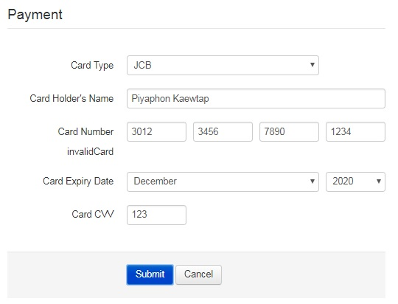
 |  | Json Parameter | Desc
Github | https://github.com/tonchilling/PaymentAPI
API Test | http://119.59.115.30/TPaymentAPI/api/PaymentAPI/Submit | CardNumber,HolderName ,CTypeCode ,ExpireDate ,CVV | CTypeCode with VISA,MASTER,AMEX,JCB
Web Test | http://119.59.115.30/TPaymentAPI/Index.html

Example

