CUONG_UPDATE
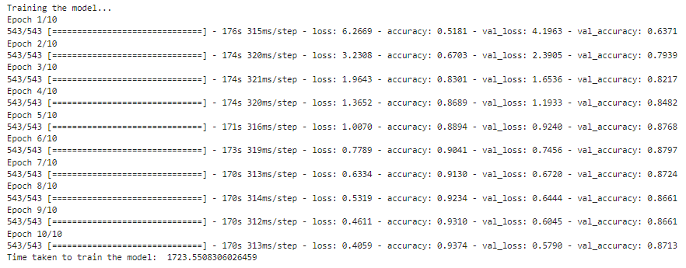
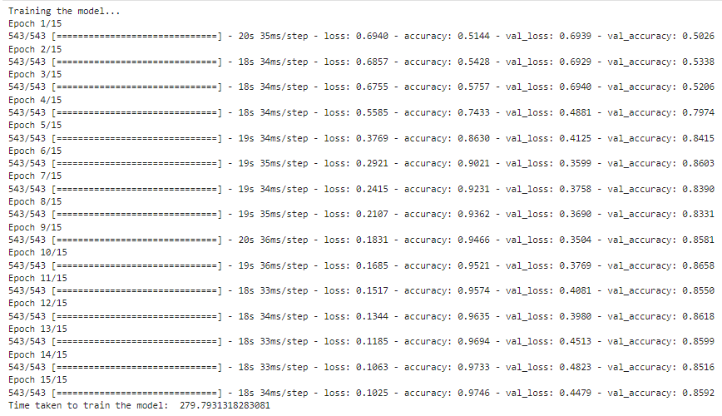
TRAINING |  | EVALUATION
 | SIMPLE RNN |  |  | time(second) | loss | accuracy
 |  |  | Simple RNN | 2 | 0.43 | 0.8629
 |  |  | LSTM | 8 | 0.3151 | 0.8771
 |  |  | LSTM + Word2Vec | 10 | 0.5819 | 0.8734

 | LSTM

 | LSTM + Word2Vec

