myfile
敦南科技股份有限公司
封裝測試外包訂單
Date: |  | 2019-08-08
Assembly House |  | AUTOMATED TECHNOLOGY (PHIL.) INC. |  |  |  | Contack Window | Flore |  |  | TEL | 02-2796-8158 EX:202
 |  |  |  |  |  |  | Paris Peng |  |  |  | 03-577-1036 ext.8186 | IC Marking | Label DateCode
Order No. | LSC P/N | OPN | Wafer P/N | Lot No. |  | Wafer Q'ty | Ass' Q'ty | Price | Amount | Assemly Type | Bonding Diagrame | YWS | YWWSS | Delivery date
PQ190801-1 | LT6602AAAEA | LT6602AAAEA | SPM19007AAA00 | DFPSF.5 | #3 | 1 | 1,500 | US$0.0085 | US$12.75 | SOT23-6L |  | 9E1 | 93601 | 2019-09-06

 |  |  |  | TOTAL |  |  | 1,500 |  | US$12.75
 |  |  |  |  |  |  | Memo
 | Marking Name |  | 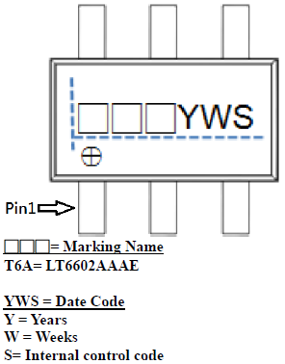 |  |  |  | For ATEC LT6602AAAEA Sample Request & Package Qual 1.Package Type:SOT23-6L 2.Lot:DFPSF.5 #3 (Without CP、Ink、grinding, grinding thickness follow Atec standard rule (SOT23-6L) 3.Sample Request:1500ea 4.Please keeps 350pcs Pass samples to do Package Qual -Level1( Non-conductive Epoxy & Lead Frame) 5.Needs collection of data like the attach files "Assembly Build up Report" **6.Please retun the Blue Tape with Ring back to HsinChu after D/M.**
 | T6A

製單人: |  | Paris Peng |  |  |  | 主管簽核: |  |  |  | 廠商簽回:

