Sheet1
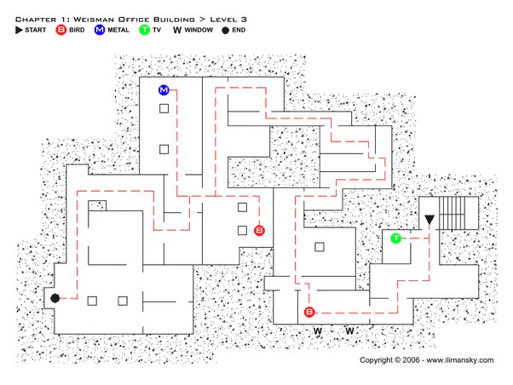
 |  | 0 | 3 | 3 | 3 | 3 | 3 | 3 | 3 | 3 | 3 | 3 | 3 | 3 | 3 | 3 | 3 | 3 | 3 | 3 | 3 | 3 | 3 | 3 | 3 | 3 | 3 | 3 | 3 | 3 | 3 | 3 | 3 | 3 | 3 | 3 | 3 | 3 | 3 | 3 | 3 | 3 | 3 | 3 | 3
 |  | 1 | 3 | 3 | 3 | 3 | 3 | 3 | 3 | 3 | 3 | 3 | 3 | 3 | 3 | 3 | 3 | 3 | 3 | 3 | 0 | 0 | 3 | 0 | 0 | 0 | 3 | 3 | 3 | 3 | 3 | 3 | 3 | 3 | 3 | 3 | 3 | 3 | 3 | 3 | 3 | 3 | 3 | 3 | 3
 |  | 2 | 3 | 3 | 3 | 3 | 3 | 3 | 3 | 3 | 3 | 3 | 3 | 3 | 3 | 3 | 3 | 3 | 3 | 3 | 0 | 0 | 0 | 0 | 0 | 0 | 3 | 3 | 3 | 3 | 3 | 3 | 3 | 3 | 3 | 3 | 3 | 3 | 3 | 3 | 3 | 3 | 3 | 3 | 3
 |  | 3 | 3 | 3 | 3 | 3 | 3 | 3 | 3 | 3 | 3 | 3 | 3 | 3 | 0 | 0 | 0 | 0 | 0 | 3 | 0 | 0 | 0 | 0 | 0 | 0 | 3 | 3 | 3 | 3 | 3 | 3 | 3 | 3 | 3 | 3 | 3 | 3 | 3 | 3 | 3 | 3 | 3 | 3 | 3
 |  | 4 | 3 | 3 | 3 | 3 | 3 | 3 | 3 | 3 | 3 | 3 | 3 | 3 | 0 | 0 | 0 | 0 | 0 | 3 | 0 | 0 | 3 | 3 | 0 | 3 | 3 | 3 | 3 | 3 | 3 | 3 | 3 | 3 | 3 | 3 | 3 | 3 | 3 | 3 | 3 | 3 | 3 | 3 | 3
 |  | 5 | 3 | 3 | 3 | 3 | 3 | 3 | 3 | 3 | 3 | 3 | 3 | 3 | 0 | 0 | 3 | 0 | 0 | 3 | 0 | 0 | 3 | 0 | 0 | 0 | 0 | 0 | 0 | 0 | 3 | 3 | 3 | 3 | 3 | 3 | 3 | 3 | 3 | 3 | 3 | 3 | 3 | 3 | 3
 |  | 6 | 3 | 3 | 3 | 3 | 3 | 3 | 3 | 3 | 3 | 3 | 3 | 3 | 0 | 0 | 0 | 0 | 0 | 3 | 0 | 0 | 3 | 3 | 3 | 3 | 3 | 3 | 3 | 0 | 3 | 3 | 3 | 3 | 3 | 3 | 3 | 3 | 3 | 3 | 3 | 3 | 3 | 3 | 3
 |  | 7 | 3 | 3 | 3 | 3 | 3 | 3 | 3 | 3 | 3 | 3 | 3 | 3 | 0 | 0 | 3 | 0 | 0 | 3 | 0 | 0 | 3 | 3 | 3 | 3 | 3 | 3 | 0 | 0 | 0 | 0 | 0 | 0 | 3 | 0 | 3 | 3 | 3 | 3 | 3 | 3 | 3 | 3 | 3
 |  | 8 | 3 | 3 | 3 | 3 | 3 | 3 | 3 | 3 | 3 | 3 | 3 | 3 | 0 | 0 | 0 | 0 | 0 | 3 | 0 | 0 | 3 | 3 | 3 | 3 | 3 | 3 | 0 | 0 | 0 | 0 | 0 | 0 | 0 | 0 | 3 | 3 | 3 | 3 | 3 | 3 | 3 | 3 | 3
 |  | 9 | 3 | 3 | 3 | 3 | 3 | 3 | 3 | 3 | 3 | 3 | 3 | 3 | 0 | 0 | 0 | 0 | 0 | 3 | 0 | 0 | 3 | 3 | 3 | 3 | 3 | 3 | 3 | 3 | 3 | 3 | 3 | 3 | 0 | 0 | 3 | 3 | 3 | 3 | 3 | 3 | 3 | 3 | 3
 |  | 10 | 3 | 3 | 3 | 3 | 3 | 3 | 3 | 3 | 3 | 3 | 3 | 3 | 3 | 3 | 3 | 0 | 3 | 3 | 0 | 0 | 3 | 3 | 3 | 3 | 3 | 3 | 0 | 0 | 0 | 0 | 0 | 0 | 0 | 0 | 3 | 3 | 3 | 3 | 3 | 3 | 3 | 3 | 3
 |  | 11 | 3 | 3 | 3 | 3 | 3 | 3 | 3 | 3 | 3 | 3 | 3 | 3 | 3 | 3 | 0 | 0 | 0 | 3 | 0 | 0 | 3 | 3 | 3 | 3 | 3 | 3 | 0 | 0 | 0 | 0 | 0 | 0 | 3 | 0 | 3 | 3 | 3 | 3 | 3 | 3 | 3 | 3 | 3
 |  | 12 | 3 | 3 | 3 | 3 | 3 | 3 | 3 | 3 | 3 | 3 | 3 | 3 | 3 | 3 | 0 | 0 | 0 | 0 | 0 | 0 | 3 | 3 | 3 | 3 | 3 | 3 | 3 | 3 | 3 | 3 | 3 | 3 | 3 | 0 | 3 | 3 | 3 | 3 | 3 | 3 | 3 | 3 | 3
 |  | 13 | 3 | 3 | 3 | 0 | 0 | 0 | 3 | 3 | 3 | 3 | 3 | 3 | 3 | 3 | 0 | 0 | 0 | 0 | 0 | 0 | 3 | 3 | 3 | 3 | 3 | 3 | 0 | 0 | 0 | 0 | 0 | 0 | 0 | 0 | 3 | 3 | 3 | 0 | 0 | 0 | 0 | 0 | 3
 |  | 14 | 3 | 3 | 3 | 0 | 0 | 0 | 3 | 3 | 3 | 3 | 3 | 3 | 3 | 3 | 0 | 0 | 0 | 3 | 0 | 0 | 3 | 3 | 3 | 3 | 3 | 3 | 0 | 3 | 3 | 3 | 3 | 3 | 3 | 3 | 3 | 3 | 3 | 0 | 0 | 0 | 3 | 3 | 3
 |  | 15 | 3 | 3 | 3 | 0 | 0 | 0 | 3 | 3 | 3 | 3 | 3 | 3 | 3 | 3 | 3 | 0 | 3 | 3 | 0 | 0 | 3 | 3 | 3 | 3 | 3 | 3 | 0 | 0 | 0 | 0 | 0 | 0 | 3 | 3 | 3 | 3 | 3 | 0 | 0 | 0 | 3 | 3 | 3
 |  | 16 | 3 | 3 | 3 | 0 | 0 | 0 | 3 | 3 | 3 | 3 | 3 | 3 | 3 | 3 | 0 | 0 | 0 | 3 | 0 | 0 | 0 | 0 | 3 | 3 | 3 | 3 | 0 | 3 | 0 | 0 | 3 | 0 | 3 | 3 | 3 | 3 | 3 | 0 | 0 | 0 | 3 | 3 | 3
 |  | 17 | 3 | 3 | 3 | 0 | 0 | 0 | 3 | 3 | 3 | 3 | 3 | 3 | 3 | 3 | 0 | 0 | 0 | 0 | 0 | 0 | 0 | 0 | 3 | 3 | 3 | 3 | 0 | 3 | 0 | 0 | 3 | 0 | 3 | 3 | 3 | 3 | 3 | 3 | 0 | 3 | 3 | 3 | 3
...
0 | EMPTY
1 | WHITE_WALL
2 | RED_WALL
3 | DRY_WALL
4 | WOOD
5 | BLACK_WALL
6 | GLASS IDK

