Sheet1
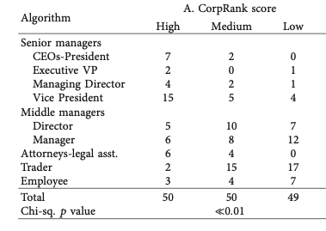
Row Labels | Count of name | target
attorney-legal asst. | 13 | 10
CEOs-President | 9 | 9
Director | 22 | 22
Employee | 14 | 14
Executive VP | 3 | 3
Manager | 15 | 26
Managing Director | 7 | 7
Trader | 35 | 34
vice president | 23 | 24
specialist | 8
Grand Total | 149 | 149

