Risk Evaluation Matrix
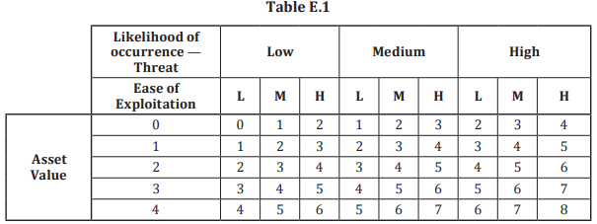
This is the approach we used to assess the risk determination and give the measure of risk.

