AI Rules
Case 1: Address Correction. Detection & Remidiation

Data that is missing/misspelled:
House Number/Name
Postcode
City
Road

In the "UK Address List" you can find a sample list of correct addresses source: https://postcodeaddressfile.co.uk/licences/postcode_address_file_paf/paf_order_licence_options_single_user_licence.htm There are multiple sources in the internet that could be used.
The combination of the following fields should match one of the entries in the "UK Address List": Account Holder Building Identifier Account Holder Street Name Account Holder District Name Account Holder City Account Holder Postcode Account Holder Country

Score data based on their data quality and focus on high scores

Case 2: Outlier Detection
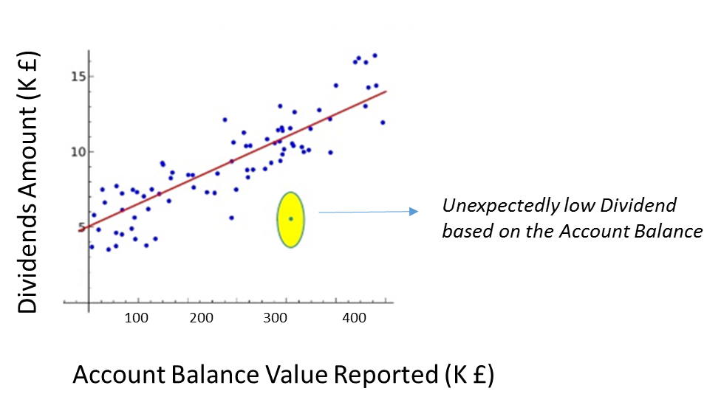
Here we can detect examples of variable combinations that are not expected
Relatively high dividend based on the savings value
Large savings based on age

The following fields should be converted to the same currency and used as inputs into an Anomaly Detection algorithm (only numerical fields are selected)
Account Balance Value Reported Interest Amount Dividends Amount Gross Proceeds Redemptions Amount Age

Case 3: A fuzzy matching algorithm that could identify misspellings in client names

Mispelled names - this could relate to different entries that actually refer to the same person. That could be a fraud indication or just a data quality issue. For example Jo Bloggs and Joe Bloggs
Use the following fields: Address Age Name

For example cases where the names are slightlly different but the age and the address are the same should be highlighted
https://en.wikipedia.org/wiki/Record_linkage
https://en.wikipedia.org/wiki/Naive_Bayes_classifier
https://github.com/dedupeio/dedupe
https://stackoverflow.com/questions/5859561/getting-the-closest-string-match?rq=1

Case 4: A Natural Language Classifier that could predict whether a reported entity is a person or a company.
Using that NLC, an entry named “Joe Bloggs LLP” that is flagged as person could be highlighted for further investigation
Entity recognition / Natural Language Classification problem. IBM / Google / Microsoft have cloud APIs that we could explore
Some examples that could be picked up from the algorithm: & inc LLP sons Limited …
Initially we should build an algorithm that detects the words in the list above - then a ML systems should outperform that algorithm. Initial efforts should include auditable ML where the rules used are clearly defined (for example Decision Trees etc)
We could use the last word of the entity with NLTK however Conditional Random Field methods might yield better accuracy
http://www.nltk.org/
https://www.tensorflow.org/tutorials/word2vec
https://en.wikipedia.org/wiki/Named-entity_recognition
https://en.wikipedia.org/wiki/Conditional_random_field
https://pypi.python.org/pypi/python-Levenshtein

