Sheet1
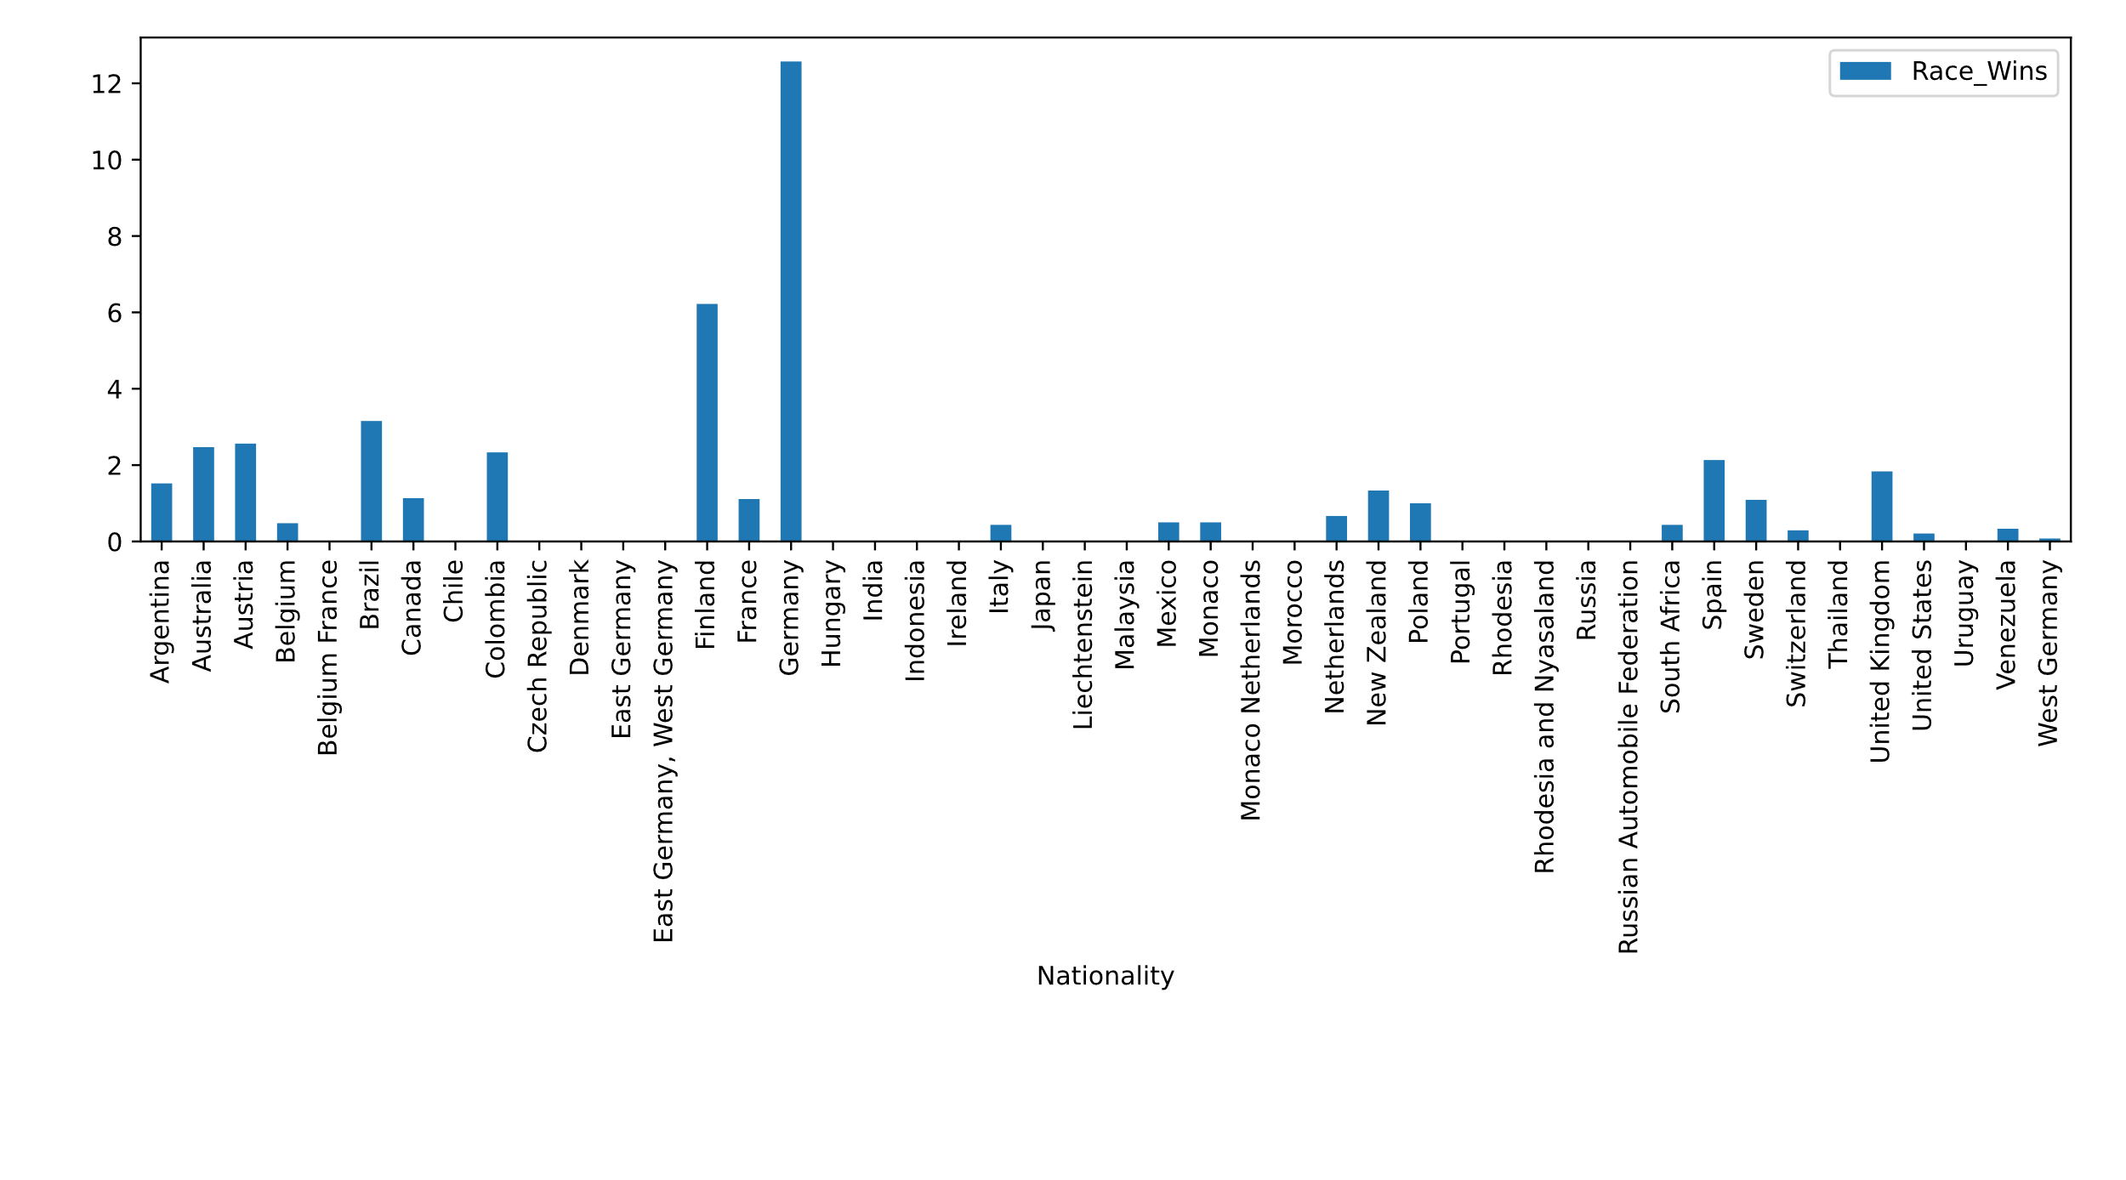
Load the Data
DataFrame@133

TIP: Check the data looks good by showing the first 3 rows

Rows to display | 3

Driver_Name | Nationality | Seasons_Competed | Drivers_Championships | Race_Entries | Race_Starts | Pole_Positions | Race_Wins | Podiums | Fastest_laps | Points
Carlo Abate | Italy | 1962–1963 | 0 | 3 | 0 | 0 | 0 | 0 | 0 | 0
George Abecassis | United Kingdom | 1951–1952 | 0 | 2 | 2 | 0 | 0 | 0 | 0 | 0
Kenny Acheson | United Kingdom | 1983, 1985 | 0 | 10 | 3 | 0 | 0 | 0 | 0 | 0

Top 10 by race wins

Columns to sort by | Race_Wins
Rows to display | 10
Sorted Dataframe | DataFrame@136

Driver_Name | Nationality | Seasons_Competed | Drivers_Championships | Race_Entries | Race_Starts | Pole_Positions | Race_Wins | Podiums | Fastest_laps | Points
Lewis Hamilton | United Kingdom | 2007–2021 | 7 | 267 | 267 | 98 | 96 | 166 | 53 | 3803
Michael Schumacher | Germany | 1991–2006, 2010–2012 | 7 | 308 | 306 | 68 | 91 | 155 | 77 | 1566
Sebastian Vettel | Germany | 2007–2021 | 4 | 259 | 258 | 57 | 53 | 121 | 38 | 3018
Alain Prost | France | 1980–1991, 1993 | 4 | 202 | 199 | 33 | 51 | 106 | 41 | 768.5
Ayrton Senna | Brazil | 1984–1994 | 3 | 162 | 161 | 65 | 41 | 80 | 19 | 610
Fernando Alonso | Spain | 2001, 2003–2018, 2021 | 2 | 315 | 312 | 22 | 32 | 97 | 23 | 1899
Nigel Mansell | United Kingdom | 1980–1992, 1994–1995 | 1 | 191 | 187 | 32 | 31 | 59 | 30 | 480
Jackie Stewart | United Kingdom | 1965–1973 | 3 | 100 | 99 | 17 | 27 | 43 | 15 | 359
Jim Clark | United Kingdom | 1960–1968 | 2 | 73 | 72 | 33 | 25 | 32 | 28 | 255
Niki Lauda | Austria | 1971–1979, 1982–1985 | 3 | 177 | 171 | 24 | 25 | 54 | 24 | 420.5

Lowest Ratio of Race Entries to Points where Points > 0

Filter | Points > 0
Expression to evaluate | RE_Points_Ratio = Race_Entries / Points
Rows to display | 3
Filtered DataFrame | DataFrame@134
Evaluated DataFrame | DataFrame@137
Sorted DataFrame | DataFrame@139

Driver_Name | Nationality | Seasons_Competed | Drivers_Championships | Race_Entries | Race_Starts | Pole_Positions | Race_Wins | Podiums | Fastest_laps | Points | RE_Points_Ratio
Lewis Hamilton | United Kingdom | 2007–2021 | 7 | 267 | 267 | 98 | 96 | 166 | 53 | 3803 | 0.070207730739
Sebastian Vettel | Germany | 2007–2021 | 4 | 259 | 258 | 57 | 53 | 121 | 38 | 3018 | 0.085818422797
Max Verstappen | Netherlands | 2015–2021 | 0 | 120 | 120 | 4 | 10 | 43 | 10 | 1180 | 0.10169491525

Top 5 Nationalities by mean Race_Wins

Group By | Nationality
Columns | Race_Wins
Aggregation Function | mean
Rows To Display | 5
Aggregated DataFrame | DataFrame@135
Sorted DataFrame | DataFrame@138

Nationality | Race_Wins
Germany | 12.571428571
Finland | 6.2222222222
Brazil | 3.15625
Austria | 2.5625
Australia | 2.4705882353

Extra Credit

Chart Kind | bar
Column | Race_Wins
Index | Nationality

[DONE]

