Guidelines
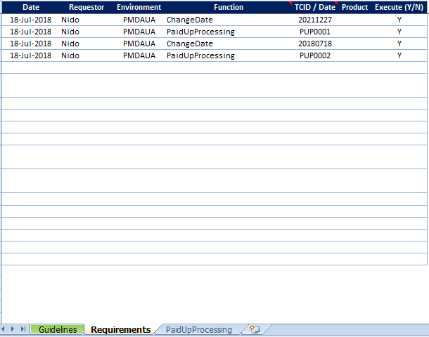
HOW TO USE THE FILE
- The Requirements tab shows all the available functions the user can use.
- For every function selected, its corresponding tab will also be displayed.
- The sheets will automatically hide if their sheet name (function name) is removed
from the Function column. The sheets should not be deleted manually as it will
cause an error in the file.
- Each column needs to be filled with data by the user.
- If there are 3 clients to be created, each of them should be in the Requirements tab
with their TCID included.

- Row 4 will show what the column is for through keywords.
- Input: text input, typing directly into field
- Select: used for fields that require data selection to auto-populate other fields
- Dropdown: used for fields that require data selection to auto-populate other fields
- Multiline: address/comment
- Enter: press Enter key to move to next screen/page
- Check: check if the screen is loaded
- FnKey: press a Function key
- Capture: capture a screenshot
- Menu: IL menu navigation
- Set: set cursor position
- CaptureAll: capture screenshots on multiple screens based on the XY coordinate and a '+' sign

- Both Row 2 and Row 5 object names in respective system.
- In the even of System is display different object in similar names, both of these rows
can have different values to differentiate the System objects.

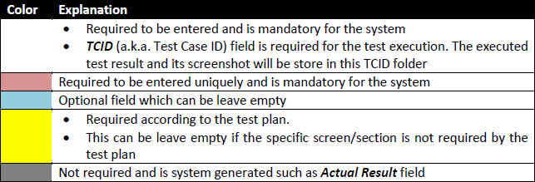
- The columns in the sheets are color coded to guide users what columns need values.

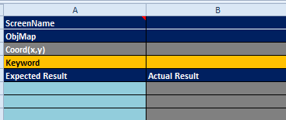
- The "Expected Result" column (Column A) is for verifying the status message
after the operation is completed.
- This column is useful for negative scenarios as it will ensure that Column B will
have a PASS status. This is usually left as blank for positive scenarios.

