measures
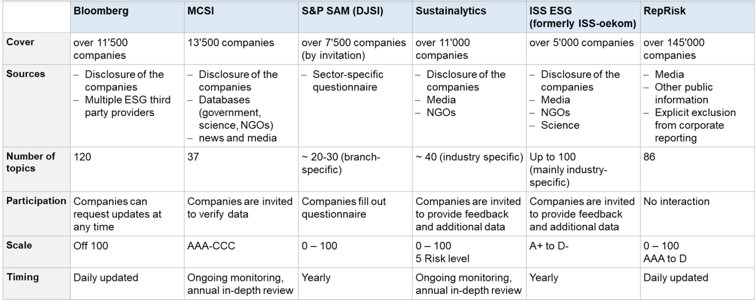
Measure | Description | Score | Source | link
Refintiv ESG Rating | Refinitiv ESG Score is an overall company score based on the self-reported information in the environmental, social and corporate governance pillars. | the higher the better; 0-100 | Refinitiv Workspace (HSG access) | https://www.unisg.ch/en/universitaet/bibliothek/aktuell/rss-news/2021/20210106_refinitivworkspace
RepRisk Index | The RepRisk Index (RRI) is a proprietary algorithm that dynamically captures and quantifies the reputational exposure to ESG and business conduct risks. | the lower the better; 100-0 | WHARTON RESEARCH DATA SERVICES (WRDS) (HSG access) | https://wrds-www.wharton.upenn.edu/pages/get-data/reprisk/all-companies-news-premium-package/reprisk-index-rri/
Sustainalytics ESG Risk Ratings | The ESG Risk Ratings measure a company’s exposure to industry-specific material ESG risks and how well a company is managing those risks | the lower the better; 0-40+ | Sustainalytics Website (open access) | https://www.sustainalytics.com/esg-ratings

