measures
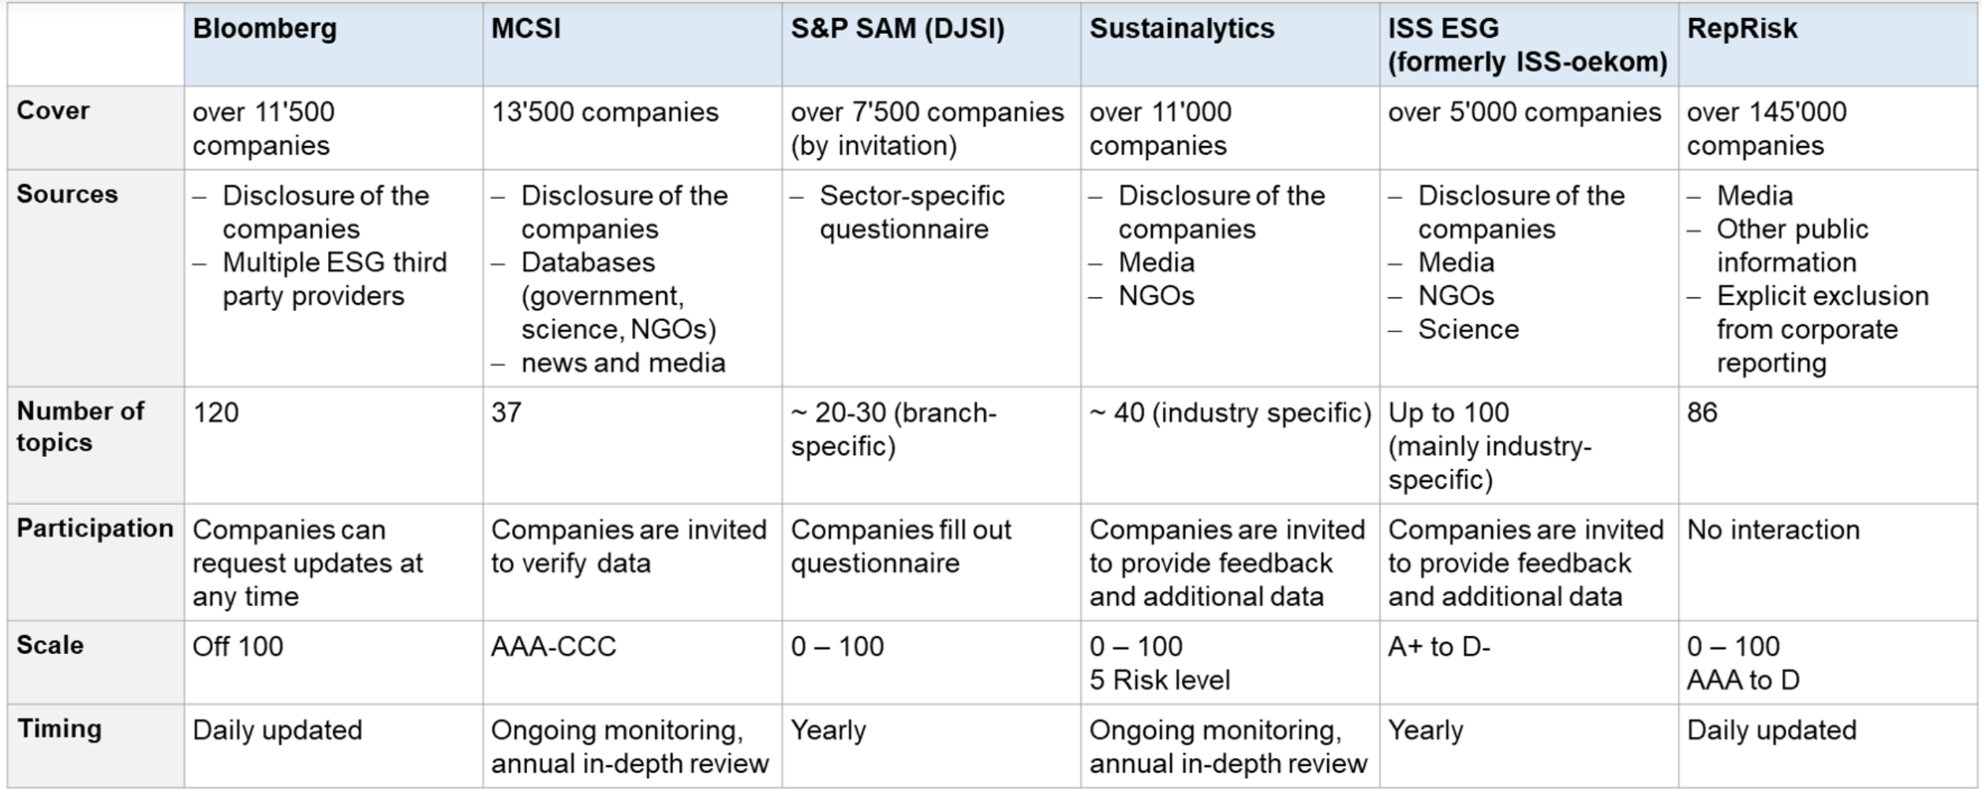
Measure | Description | Score | Source | link
Refintiv ESG Rating | Refinitiv ESG Score is an overall company score based on the self-reported information in the environmental, social and corporate governance pillars. | the higher the better; 0-100 | Refinitiv Workspace (HSG access)
RepRisk Index | The RepRisk Index (RRI) is a proprietary algorithm that dynamically captures and quantifies the reputational exposure to ESG and business conduct risks. | the lower the better; 100-0 | WHARTON RESEARCH DATA SERVICES (WRDS) (HSG access) | https://wrds-www.wharton.upenn.edu/pages/get-data/reprisk/all-companies-news-premium-package/reprisk-index-rri/
Sustainalytics ESG Risk Ratings |  |  | Sustainalytics Website (open access) | sustainalytics.com/esg-rating/columbia-sportswear-co/1008262546

