Nepal
Country | Export ($ billion) | Import ($ billion) | Trade Deficit ($ billion) | Demand Elasticity ε | Price Passthrough ϕ | Δτ | Reciprocal Tariff by Trump | Reciprocal Tariff/ Δτ

Nepal | $0.12 | $0.12 | $0.00 | 4 | 0.25 | 0% | 0% | NA
Australia | $34.60 | $16.70 | $17.90 | 4 | 0.25 | 107% | 10% | NA

Trade Surplus

Reference
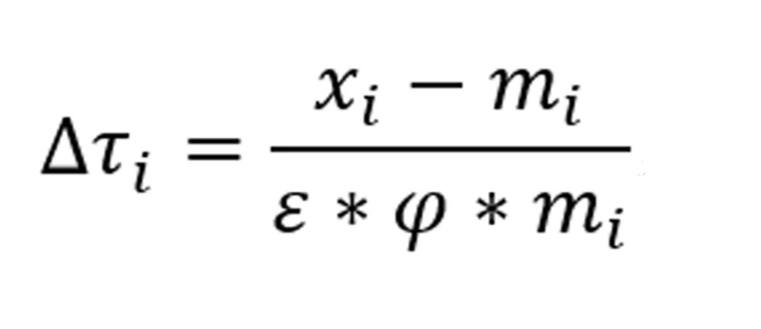

Tariff Reciprocal Formula & Epsilon & Phi Values

https://ustr.gov/issue-areas/reciprocal-tariff-calculations

Reciprocal Tariffs
https://www.whitehouse.gov/wp-content/uploads/2025/04/Annex-I.pdf

The Guardian Tariff List
https://www.theguardian.com/business/2025/apr/03/trumps-tariffs-the-full-list

Import and Export Data
https://ustr.gov/countries-regions

https://www.census.gov/foreign-trade/balance/

