Openstack_HPO
http://docs.openstack.org/training-guides/content/lab001-control-node.xml.html

Openstack Install | IceHouse Release:
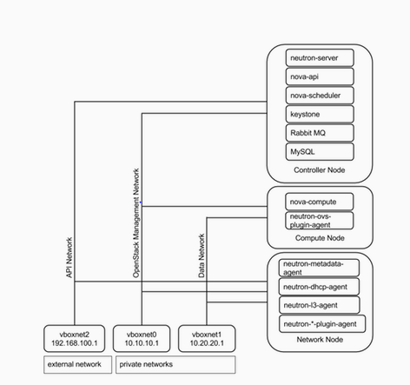
OS Versions | RHEL 6.4 - X86_64 | Below are few keywords which we will be using inside this document
 |  | Controller Node: Node responsible for most of the service related openstack and can be defined as nerve center. All requests are routed thru this one.
 |  | Compute Node: Responsible for managing virtual machine. Hypervisor is running on this node
 |  | Network Node: This node is responsible for all network related service like dhcp,routing,bridging etc.
 |  | Nova : Compute service which provisions and manages virtual machines on demand
Network Setup | Mgmt Network: 10.0.0.0/16 (External Int) | Neutron : Networking service which is responsible for network connectivity
 | Virtual Networks: 10.10.10.0/24 | Glance: Provides a registry of virtual machine images. Compute uses it to provision instances
 | Virtual Networks: 10.20.20.0/24 | Keystone: Identity service responsible for authentication and authorization
 |  | Cinder:Provides persistent block storage
 |  | Horizon:Dashboard or a GUI for users to interact with all services related to openstack

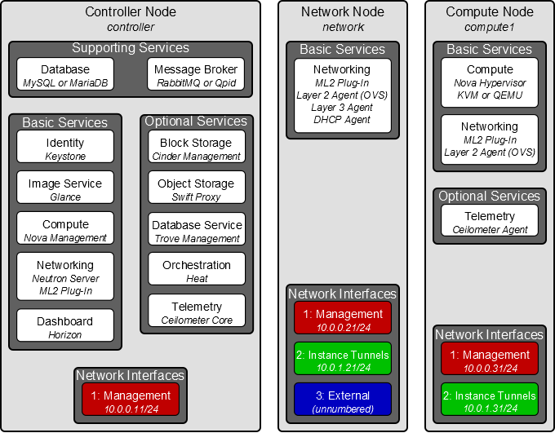
 |  |  | Password name | Description
 |  |  | Database password (no variable used) | Root password for the database
Controller Node: |  |  | KEYSTONE_DBPASS | Database password of Identity service
 |  |  | DEMO_PASS | Password of user demo
 |  |  | ADMIN_PASS | Password of user admin
 |  |  | GLANCE_DBPASS | Database password for Image Service
 |  |  | GLANCE_PASS | Password of Image Service user glance
 |  |  | NOVA_DBPASS | Database password for Compute service
 |  |  | NOVA_PASS | Password of Compute service user nova
 |  |  | DASH_DBPASS | Database password for the dashboard
 |  |  | CINDER_DBPASS | Database password for the Block Storage service
 |  |  | CINDER_PASS | Password of Block Storage service user cinder
 |  |  | NEUTRON_DBPASS | Database password for the Networking service
 |  |  | NEUTRON_PASS | Password of Networking service user neutron
 |  |  | HEAT_DBPASS | Database password for the Orchestration service
 |  |  | HEAT_PASS | Password of Orchestration service user heat
 |  |  | CEILOMETER_DBPASS | Database password for the Telemetry service
 |  |  | CEILOMETER_PASS | Password of Telemetry service user ceilometer
 |  |  | TROVE_DBPASS | Database password of Database service
 |  |  | TROVE_PASS | Password of Database Service user trove

