Manual
Character search for MS Office files "MojiGrep" [Ver e1.3]
This tool searches for multiple search terms specified for the Word, Excel, PowerPoint files below the specified folder and displays the detailed location.
(1) Features
 | Feature 1: Detailed display of where the specified search term is located. Especially in the case of a Word file, the chapter that contains the search term is also displayed.
 | Feature 2: Search for text and comments in figures.
 | Feature 3: The following two search options are available. This allows you to display only the characters you want to search for more accurately.
 |  | ・ Distinguish between uppercase and lowercase letters, half-width and full-width [Do not use fuzzy search]
 |  | ・ If the search term is a number, if the character adjacent to the number in the search term is a number, exclude it from the results
 | Feature 4: Double-click any line in the search result to jump to the corresponding part of the file.
 | Feature 5: Because it is an Excel macro enabled book file, it can be used immediately on a PC with Excel installed. Also, the execution result can be organized by using the filter function which is a standard Excel function.
 | Feature 6: “Search by value” of Excel standard function cannot search for hidden cells, but this macro file can search.

An example of "execution result"

(2) Supported file
 | ・Microsoft Word(*.doc*)
 | ・Microsoft Excel(*.xls*)
 | ・Microsoft PowerPoint(*.ppt*)
 | ・csv file(.csv)
 | ・txt file(Extension set by user)
 | If Word and PowerPoint are not installed, files for each application are automatically excluded from the search.

(3) Function limitation
 | It is limited to the following functions.
 |  | · Search up to the lowest subfolder of the specified folder.
 |  | · Exclude folders without access right from search.
 |  | · Exclude files with security warning or reading error from search and output excluded file names on "Read fail list" sheet.
 |  | (Results will be output to the "Result" sheet except those on the "Read fail list" sheet)
 |  | · For Excel files, it is searched by "Search by value".
 |  | · For Excel files, exclude hidden cells of protected sheets from searching.
 |  | · It does not correspond to character search in SMARTART shape
 |  | · Due to the specification problem of Word due to the search for Word file, the acquisition of the number of lines of the page where the table of Word file exists is shifted several lines.

(4) Preparation for setting
 | · Enable macros
 |  | If the macro can not be executed due to the security level, change the security level and allow macro execution.

 | · Design mode OFF (normally OFF)
 |  | If you can not press the "Search" button, display the "Development" tab on the ribbon and turn off the design mode.

(5) How to use
 | I prepare "sample data" folder for search sample data. Please try the actual movement of this tool with that folder.

 | (5-1) Setting of search term
 |  | Please enter the word you want to search on the "Search word input" sheet in order from the top of column A.

"Search word input" sheet

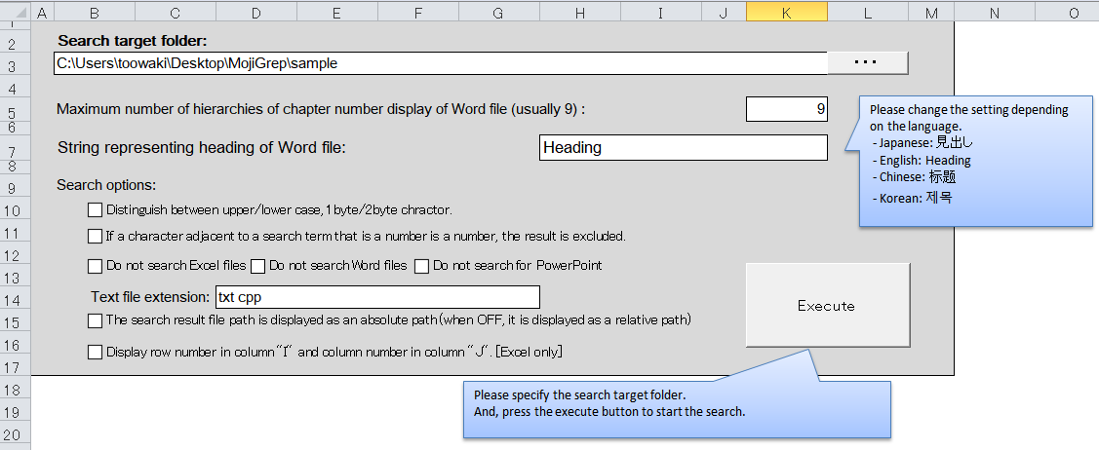
 | (5-2) Designation of search target folder
 |  | Please press the "..." button on the "Setup and Execution" sheet and enter the folder you want to search in the search target folder field.

"Setup and Execution" sheet

 | (5-3) Hierarchical setting of chapter number display of Word file
 |  | Normally you do not need to change it.
 |  | If you want to adjust the hierarchical display of the chapter number of the Word file, please change the number in "Maximum number of floor of Word file chapter number display" on "Setting and Execution" sheet. Normally set number is 9. If you want to display only the lowest chapter, set 1 to display only the lowest layer.

 | (5-4) Execute search
 |  | Start search by pressing the search execution button on the "Setup and Execution" sheet.
 |  | To cancel the search, press the Cancel button.

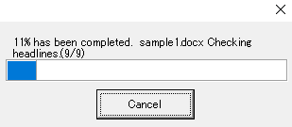

 | (5-5) Result
 |  | When execution is completed, a message box like the one shown below will be displayed.
 |  | The search result is output on the "Result" sheet. (Note that ※ "Result" sheet will be deleted each time search is executed)
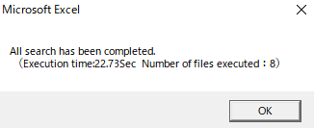
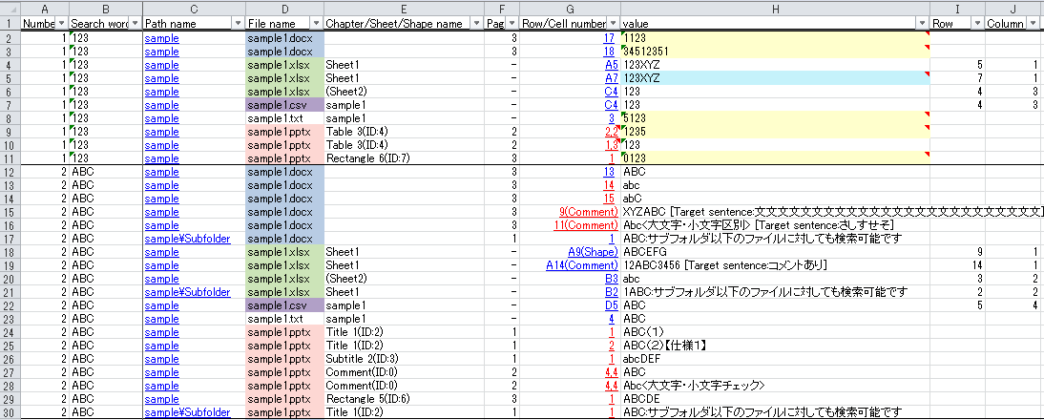

The following contents are displayed
· Search line number (line number of search term written on search word input sheet)
·Search word
· Path name (file location)
·file name
· Chapter / sheet / shape name
·page
· Row / cell number
· Value (line with search word / content of cell)
・ Row, column nuber [Excel only](Option)

"Result" sheet

 | (5-6) Jump to link destination
 |  | ① Jump by VBA: Double click on the result on "Result" sheet, open the file of the selected line and move the cursor to the corresponding part. However, the text file does not jump to the link destination.
 |  | This jump function is done by the VBA listed on the "Execution Results" sheet. Therefore, even if you copy the execution result sheet, it works.

 |  | ② Jumping with hyperlink: Jumping by hyperlink is prepared for those who do not want to copy VBA.
 |  | The blue hyperlink is linked to the specified part of the file and the red hyperlink is linked to the beginning of the file.

(6) Unit of Value of Search Result
 | Word, PowerPoint, text file: Line by line
 | Even if there are multiple same search words on one line, only one is output to the result.
 | Excel：Cell by cell
 | Even if one cell has the same search term, only one is output to the result

(7) Operating environment
 | xcel2007、Excel2010, Excel2013, Excel2016

(8) Terms of use
 | This program is freeware. toowaki has copyright. Please reprint freely. Also, please do not alter or change this software.

(9) Disclaimer
 | Regardless of the damage caused by using this program, the author is not involved at all. Please use this program at your own risk.

(10) Contact
 | If you have any requests, please email toowaki.fc2@gmail.com.

(11)History
 | Ver | Contents | Date | Editor
 | 0.1 | Newly created | 2014/08/03 | toowaki
 | e1.0 | Release English version(= Japanese version V3.8) | 2018/07/16
 | e1.1 | Since the result after 32767 was not displayed, the program was corrected.(= Japanese version V3.12) | 2019/9/14
 | e1.2 | The relative path is generated regardless of the case of the file path. For example, C: and c: are considered the same.(= Japanese version V3.13) | 2019/9/22
 | e1.3 | Added the function to display the row and column numbers of the Excel files. | 2020/7/4

SettingAndExecute
Search target folder:
C:\Users\toowaki\Desktop\MojiGrep\sample
Please change the setting depending on the language.
- Japanese: 見出し
- English: Heading
- Chinese: 标题
- Korean: 제목
- German: Überschrift
Maximum number of hierarchies of chapter number display of Word file (usually 9) : |  |  | 9

String representing heading of Word file: |  | Heading

Search options:

Text file extension: | txt cpp

Please specify the search target folder.
And, press the execute button to start the search.

SearchWordList
Please enter search word from A1.
You can search by using * (asterisk) as a search term.
When using an asterisk you can search by specifying "any string of 0 or more characters".
123
ABC
TEST
12*3

