sum
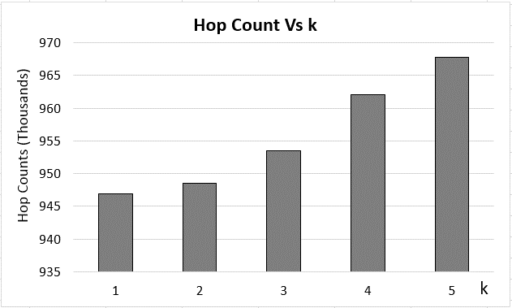
Row Labels | k1 | k2 | k3 | k4 | k5 | Time (hrs) | 1 | 2 | 3 | 4 | 5
0 | 0 | 0 | 0 | 0 | 0 | 1 | 4182 | 4199.5714286 | 4164.4285714 | 4182 | 4211.2857143
0.1 | 0 | 0 | 0 | 0 | 0 | 1.1 | 41229.6 | 41762.6 | 42033.2 | 42098.8 | 42180.8
0.2 | 0 | 0 | 0 | 0 | 0 | 1.2 | 89005.142857 | 89825.142857 | 90358.142857 | 90703.714286 | 90996.571429
0.3 | 0 | 0 | 0 | 0 | 0 | 1.3 | 136808.8 | 137768.2 | 138596.4 | 139244.2 | 139998.6
0.4 | 0 | 0 | 0 | 0 | 0 | 1.4 | 184119.28571 | 186075.57143 | 186555.85714 | 187329 | 188863.57143
0.5 | 0 | 0 | 0 | 0 | 0 | 1.5 | 231666.4 | 234249.4 | 234249.4 | 235594.2 | 237349
0.6 | 0 | 0 | 0 | 0 | 0 | 1.6 | 279614.14286 | 282285 | 282648.14286 | 284294 | 286502.14286
0.7 | 0 | 0 | 0 | 0 | 0 | 1.7 | 327344 | 329910.6 | 330812.6 | 332575.6 | 334920.8
0.8 | 0 | 0 | 0 | 0 | 0 | 1.8 | 375032.85714 | 377879.42857 | 378383.14286 | 380556.14286 | 383555
0.9 | 0 | 0 | 0 | 0 | 0 | 1.9 | 422931.4 | 425719.4 | 426473.8 | 428663.2 | 432246.6
1 | 4182 | 4199.5714286 | 4164.4285714 | 4182 | 4211.2857143 | 2 | 471101.71429 | 473860.42857 | 474862 | 477837.42857 | 481258
1.1 | 41229.6 | 41762.6 | 42033.2 | 42098.8 | 42180.8 | 2.1 | 518584.4 | 521503.6 | 523250.2 | 526489.2 | 529244.4
1.2 | 89005.142857 | 89825.142857 | 90358.142857 | 90703.714286 | 90996.571429 | 2.2 | 565624.28571 | 569003.85714 | 571317.42857 | 574790.71429 | 578064.85714
1.3 | 136808.8 | 137768.2 | 138596.4 | 139244.2 | 139998.6 | 2.3 | 613081.2 | 616763 | 618829.4 | 622888.4 | 626816.2
1.4 | 184119.28571 | 186075.57143 | 186555.85714 | 187329 | 188863.57143 | 2.4 | 661019.57143 | 664926.28571 | 666958.71429 | 671749.85714 | 676008
1.5 | 231666.4 | 234249.4 | 234249.4 | 235594.2 | 237349 | 2.5 | 708504.6 | 712481.6 | 714695.6 | 720255.2 | 724880
1.6 | 279614.14286 | 282285 | 282648.14286 | 284294 | 286502.14286 | 2.6 | 756379.71429 | 759870.57143 | 762020.14286 | 768527.42857 | 773787.14286
Hop Count Vs k
1.7 | 327344 | 329910.6 | 330812.6 | 332575.6 | 334920.8 | 2.7 | 803944.4 | 807273.6 | 810102.6 | 816687.2 | 821804
1.8 | 375032.85714 | 377879.42857 | 378383.14286 | 380556.14286 | 383555 | 2.8 | 851687.14286 | 854199.85714 | 858200.28571 | 865504.14286 | 870810.71429
1.9 | 422931.4 | 425719.4 | 426473.8 | 428663.2 | 432246.6 | 2.9 | 899466.2 | 901417.8 | 905927.8 | 913881.8 | 919392.2
2 | 471101.71429 | 473860.42857 | 474862 | 477837.42857 | 481258 | 3 | 946959.42857 | 948499.85714 | 953449.14286 | 962006.42857 | 967723
2.1 | 518584.4 | 521503.6 | 523250.2 | 526489.2 | 529244.4 |  | Hop Counts
2.2 | 565624.28571 | 569003.85714 | 571317.42857 | 574790.71429 | 578064.85714
2.3 | 613081.2 | 616763 | 618829.4 | 622888.4 | 626816.2
2.4 | 661019.57143 | 664926.28571 | 666958.71429 | 671749.85714 | 676008
2.5 | 708504.6 | 712481.6 | 714695.6 | 720255.2 | 724880
2.6 | 756379.71429 | 759870.57143 | 762020.14286 | 768527.42857 | 773787.14286
2.7 | 803944.4 | 807273.6 | 810102.6 | 816687.2 | 821804
2.8 | 851687.14286 | 854199.85714 | 858200.28571 | 865504.14286 | 870810.71429
2.9 | 899466.2 | 901417.8 | 905927.8 | 913881.8 | 919392.2
3 | 946959.42857 | 948499.85714 | 953449.14286 | 962006.42857 | 967723

