checkExistOrNot
FLG | PIC | VALUE_COL
LANG

insert text below this row. |  |  | StoreA | StoreB | StoreC | StoreD |  | StoreA | StoreB | StoreC | StoreD
 |  |  | Product001 | Product002 | Product008 | Product002 | Product001 | 1 | 0 | 0 | 0
== |  | checkExistOrNot.bas | Product002 | Product003 | Product009 | Product003 | Product002 | 1 | 1 | 0 | 1
 |  |  | Product003 | Product004 | Product010 | Product004 | Product003 | 1 | 1 | 0 | 1
. |  | Select products of stores. | Product004 | Product005 | Product011 | Product005 | Product004 | 1 | 1 | 0 | 1
 |  |  | Product005 | Product006 |  | Product006 | Product005 | 1 | 1 | 0 | 1
 | checkExistOrNotB15.png |  | Product006 | Product007 |  | Product007 | Product006 | 1 | 1 | 0 | 1
 |  |  |  | Product008 |  | Product008 | Product007 | 0 | 1 | 0 | 1
 |  |  |  | Product009 |  | Product009 | Product008 | 0 | 1 | 1 | 1
 |  |  |  |  |  | Product010 | Product009 | 0 | 1 | 1 | 1
 |  |  |  |  |  | Product011 | Product010 | 0 | 0 | 1 | 1
 |  |  |  |  |  | Product012 | Product011 | 0 | 0 | 1 | 1
 |  |  |  |  |  | Product013 | Product012 | 0 | 0 | 0 | 1
 |  |  |  |  |  |  | Product013 | 0 | 0 | 0 | 1

. |  | The input dialog for the output ob result

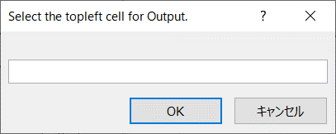
 | checkExistOrNotB32.png

. |  | Select the cell for the output.

 | checkExistOrNotB43.png

. |  | Selection is in the text box.

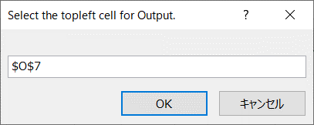
 | checkExistOrNotB57.png

. |  | The result is output.

 | checkExistOrNotB68.png

