Figure 1
This file presents the data from the figures in CBO’s June 2025 letter about the distributional effects of Public Law 119-21, to Provide for Reconciliation Pursuant to Title II of H. Con. Res. 14
www.cbo.gov/publication/61367

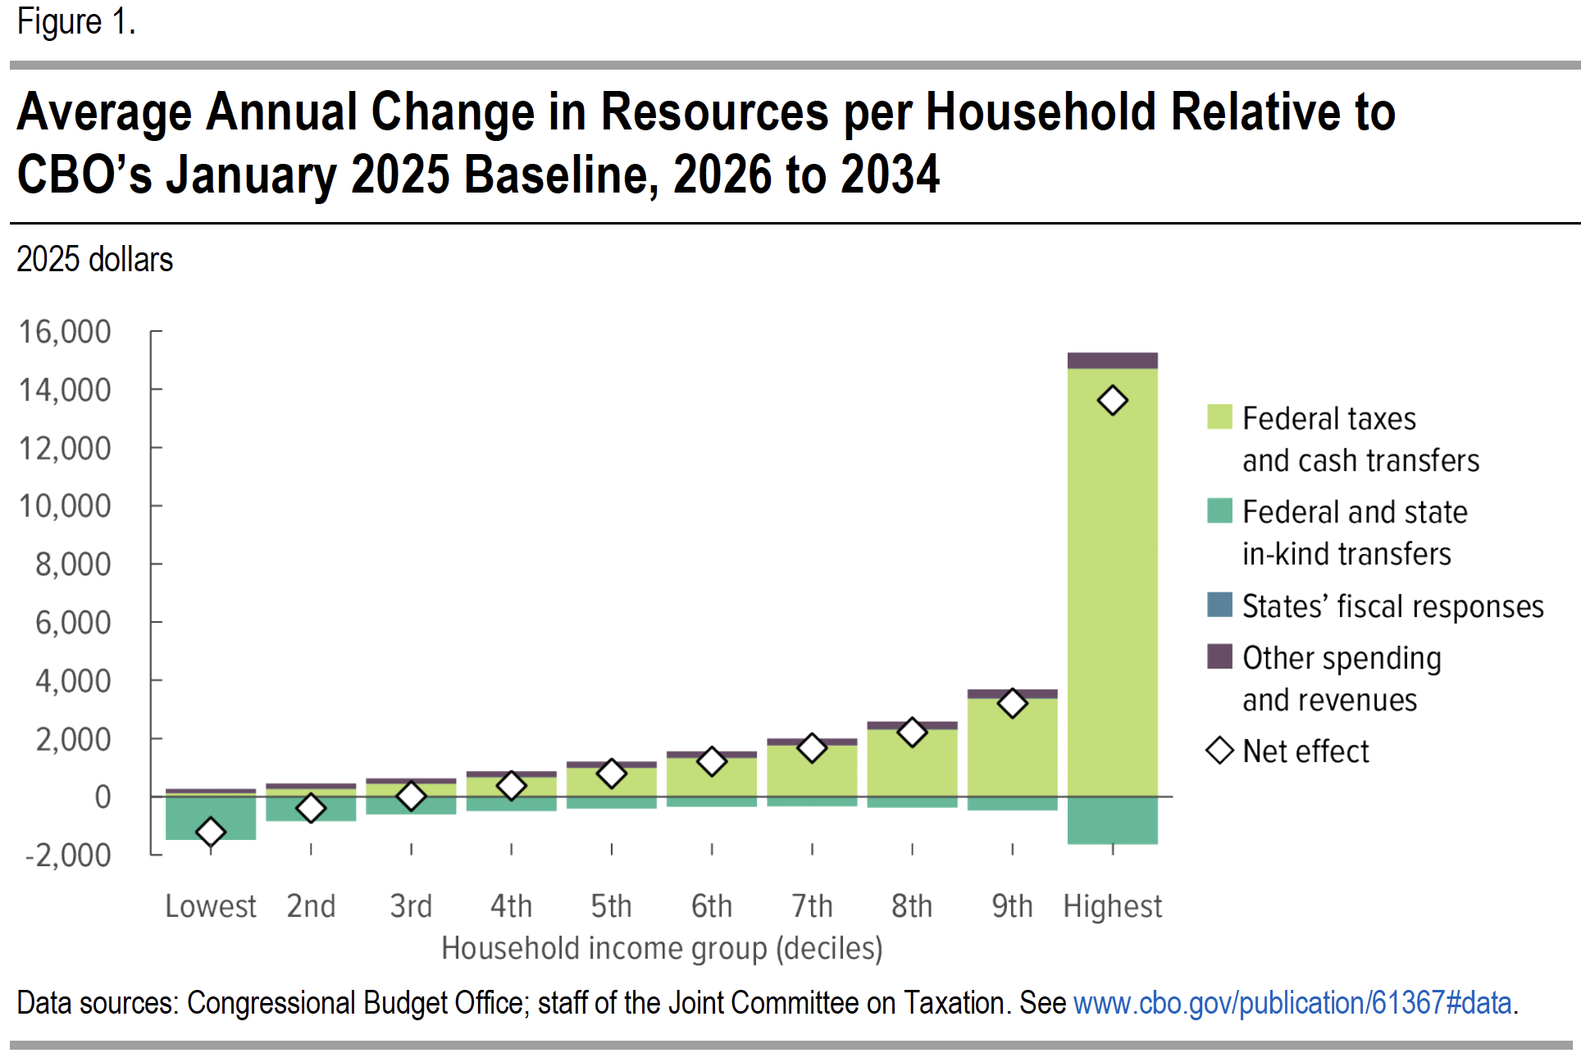
Figure 1. Average Annual Change in Resources per Household Relative to CBO's January 2025 Baseline, 2026 to 2034
2025 dollars

Household income decile | Federal taxes and cash transfers | Federal and state in-kind transfers | States' fiscal responses | Other spending and revenue | Net effect
Lowest | 119 | -1485 | 8 | 144 | -1,214
2nd | 271 | -843 | 7 | 173 | -392
3rd | 447 | -610 | 7 | 179 | 23
4th | 674 | -491 | 7 | 189 | 379
5th | 992 | -406 | 7 | 205 | 797
6th | 1,333 | -347 | 7 | 219 | 1,211
7th | 1,759 | -332 | 8 | 238 | 1,673
8th | 2,312 | -371 | 9 | 263 | 2,213
9th | 3,375 | -478 | 10 | 301 | 3,208
Highest | 14,708 | -1637 | 13 | 538 | 13,622

Back to Table of Contents

Figure 2
This file presents the data from the figures in CBO’s June 2025 letter about the distributional effects of Public Law 119-21, to Provide for Reconciliation Pursuant to Title II of H. Con. Res. 14
www.cbo.gov/publication/61367

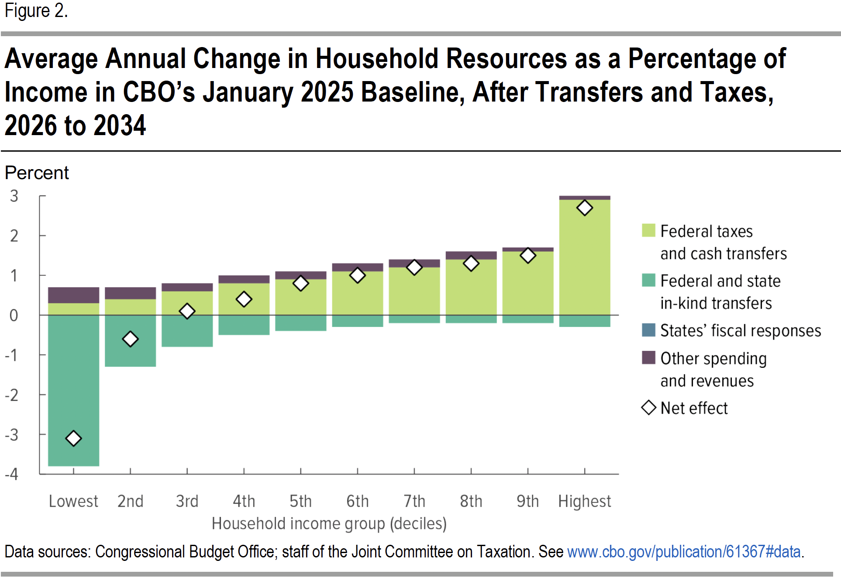
Figure 2. Average Annual Change in Household Resources as a Percentage of Income in CBO's January 2025 Baseline, After Transfers and Taxes, 2026 to 2034
Percent

Household income decile | Federal taxes and cash transfers | Federal and state in-kind transfers | States' fiscal responses | Other spending and revenue | Net effect
Lowest | 0.3 | -3.8 | 0 | 0.4 | -3.1
2nd | 0.4 | -1.3 | 0 | 0.3 | -0.6
3rd | 0.6 | -0.8 | 0 | 0.2 | 0.1
4th | 0.8 | -0.5 | 0 | 0.2 | 0.4
5th | 0.9 | -0.4 | 0 | 0.2 | 0.8
6th | 1.1 | -0.3 | 0 | 0.2 | 1.0
7th | 1.2 | -0.2 | 0 | 0.2 | 1.2
8th | 1.4 | -0.2 | 0 | 0.2 | 1.3
9th | 1.6 | -0.2 | 0 | 0.1 | 1.5
Highest | 2.9 | -0.3 | 0 | 0 | 2.7

Back to Table of Contents

