Figure 1
This file presents the data from the figures in CBO’s June 2025 letter about the distributional effects of H.R. 1, the One Big Beautiful Bill Act
www.cbo.gov/publication/61387

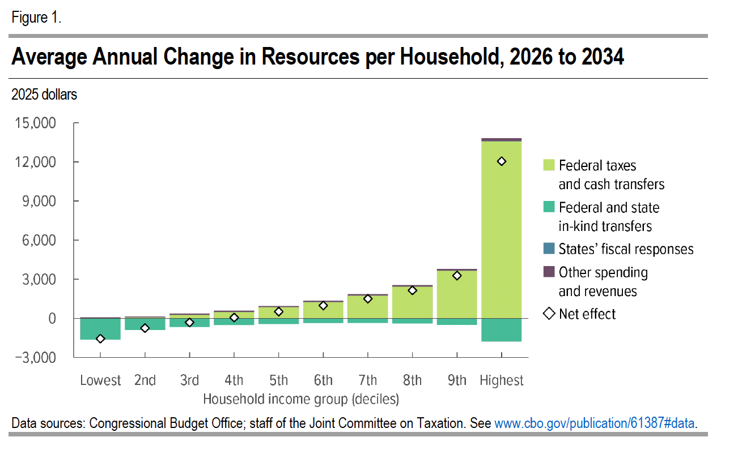
Figure 1. Average Annual Change in Resources per Household, 2026 to 2034
2025 dollars

Household income decile | Federal taxes and cash transfers | Federal and state in-kind transfers | States' fiscal responses | Other spending and revenue | Net effect
Lowest | -39 | -1589 | 8 | 61 | -1,559
2nd | 67 | -896 | 7 | 73 | -749
3rd | 264 | -661 | 6 | 78 | -312
4th | 494 | -521 | 6 | 81 | 61
5th | 853 | -433 | 6 | 87 | 514
6th | 1,256 | -370 | 7 | 93 | 984
7th | 1,750 | -357 | 7 | 101 | 1,502
8th | 2,423 | -399 | 8 | 111 | 2,144
9th | 3,652 | -514 | 9 | 127 | 3,275
Highest | 13,574 | -1771 | 12 | 229 | 12,044

Back to Table of Contents

Figure 2
This file presents the data from the figures in CBO’s June 2025 letter about the distributional effects of H.R. 1, the One Big Beautiful Bill Act
www.cbo.gov/publication/61387

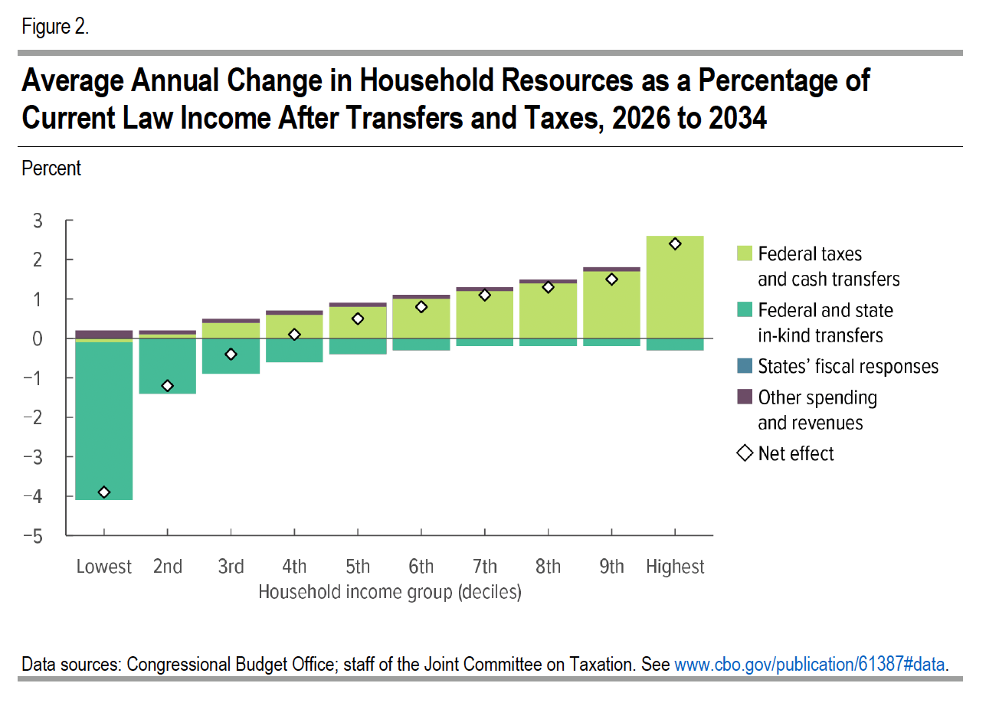
Figure 2. Average Annual Change in Household Resources as a Percentage of Current Law Income After Transfers and Taxes, 2026 to 2034
Percent

Household income decile | Federal taxes and cash transfers | Federal and state in-kind transfers | States' fiscal responses | Other spending and revenue | Net effect
Lowest | -0.1 | -4.0 | 0 | 0.2 | -3.9
2nd | 0.1 | -1.4 | 0 | 0.1 | -1.2
3rd | 0.4 | -0.9 | 0 | 0.1 | -0.4
4th | 0.6 | -0.6 | 0 | 0.1 | 0.1
5th | 0.8 | -0.4 | 0 | 0.1 | 0.5
6th | 1.0 | -0.3 | 0 | 0.1 | 0.8
7th | 1.2 | -0.2 | 0 | 0.1 | 1.1
8th | 1.4 | -0.2 | 0 | 0.1 | 1.3
9th | 1.7 | -0.2 | 0 | 0.1 | 1.5
Highest | 2.6 | -0.3 | 0 | 0 | 2.3

Back to Table of Contents

