B5-questions
I see myself as someone who … | Disagree strongly | Disagree a little | Neither agree nor disagree | Agree a little | Agree strongly | https://www.sciencedirect.com/science/article/pii/S0092656606000195
… is reserved | -2 | -1 | 0 | 1 | 2
… is generally trusting | -2 | -1 | 0 | 1 | 2
… tends to be lazy | -2 | -1 | 0 | 1 | 2
… is relaxed, handles stress well | -2 | -1 | 0 | 1 | 2
… has few artistic interests | -2 | -1 | 0 | 1 | 2
… is outgoing, sociable | -2 | -1 | 0 | 1 | 2
… tends to find fault with others | -2 | -1 | 0 | 1 | 2
… does a thorough job | -2 | -1 | 0 | 1 | 2
… gets nervous easily | -2 | -1 | 0 | 1 | 2
… has an active imagination | -2 | -1 | 0 | 1 | 2

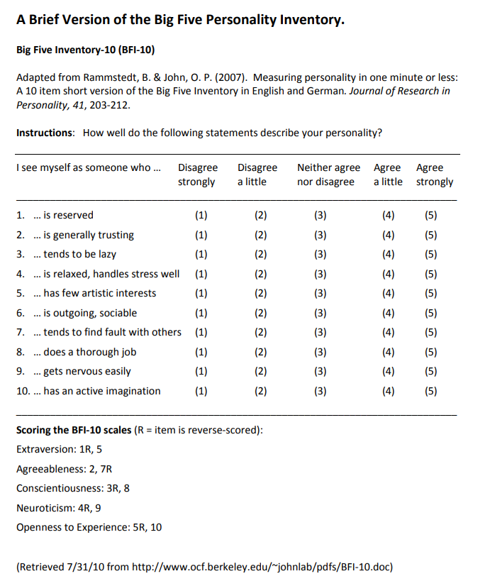
 |  |  |  |  |  | https://socialwork.buffalo.edu/content/dam/socialwork/home/self-care-kit/brief-big-five-personality-inventory.pdf

