coord
 | x | y | z
Pa | -3.31E+00 | 2.20E+00 | 1.81E+00
Pb | -3.31E+00 | -1.95E+00 | 1.81E+00
Pc | -3.81E+00 | -1.95E+00 | 1.81E+00
Pd | -3.66E+00 | 2.20E+00 | 1.81E+00
Pe | -4.30E+00 | -1.21E-03 | 1.81E+00
Pf | -3.31E+00 | 2.20E+00 | 5.00E-04
Pg | -3.31E+00 | -1.95E+00 | 5.00E-04
Ph | -3.81E+00 | -1.95E+00 | 5.00E-04
Pi | -3.66E+00 | 2.20E+00 | 5.00E-04
Pj | -4.30E+00 | -1.21E-03 | 5.00E-04
Pk | -4.03E+00 | 1.50E+00 | 1.81E+00
Pl | -4.20E+00 | -1.00E+00 | 1.81E+00
Pm | -4.03E+00 | 1.50E+00 | 5.00E-04
Pn | -4.20E+00 | -1.00E+00 | 5.00E-04

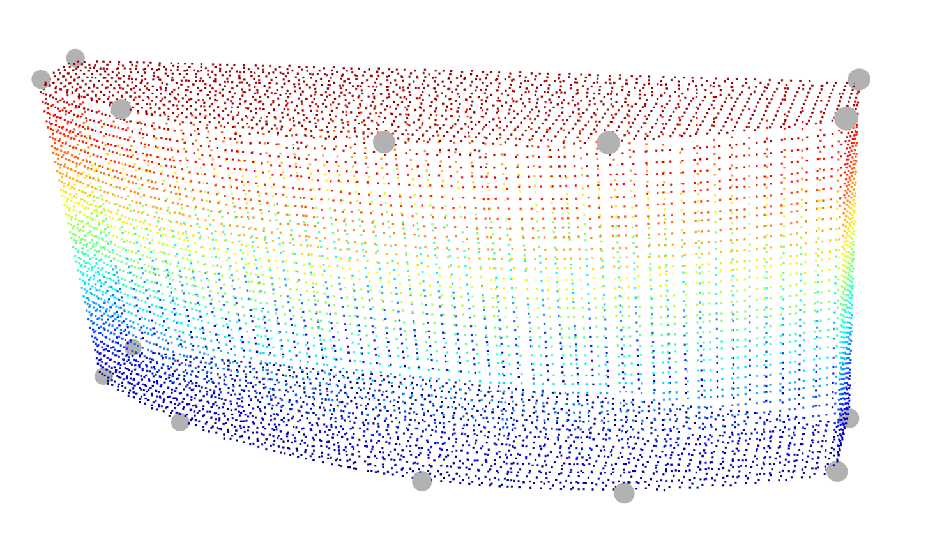
Pa
Pb
Pc
Pd
Pe
Pf
Pg
Ph
Pj
Pi
Pk
Pl
Pm
Pn
z
x
y

