UpdatedStack
Impedance table
 | Impedance |  | Trace width and gap
Layer | SE, Ohm | DIFF, Ohm | Width, mm | Space, mm | new width | Space, mm | new space
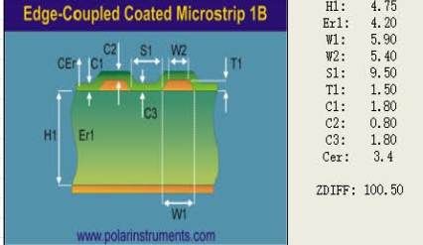
Top, Bottom | - | 100±15% | 0.15 | 0.241 | 0.15 | 0.2 | 0.241 | MIPI
Inner layers L3, L4 | - | 100±15% | 0.19 | 0.195 | 0.19 | 0.22 | 0.195 | MIPI
Top, Bottom | - | 90±15% | 0.15 | 0.137 | 0.15 | 0.127 | 0.137 | PCIe
Inner layers L3, L4 | - | 90±15% | 0.15 | 0.1 | 0.15 | 0.127 | 0.099 | PCIe

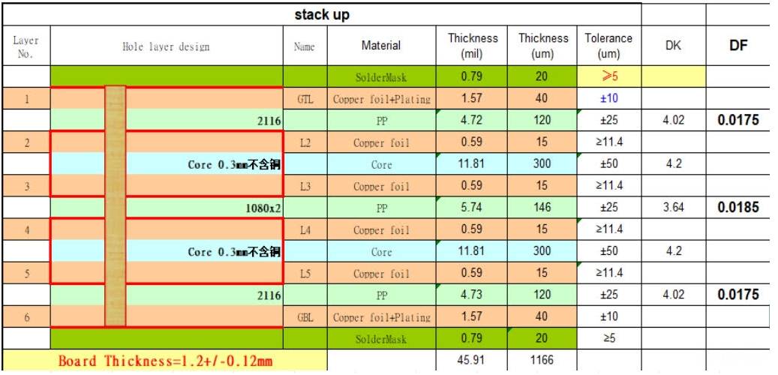

 |  |  |  |  |  |  |  |  | mil | 9.5 | 5.9 | 3.9 | 5.4
 |  |  |  |  |  |  |  |  | mm | 0.241 | 0.15 | 0.1 | 0.137

 |  |  |  |  | 18.14

